All ITS Inc Arr Fit
Fit Comparison for Total Of number 2 RiskIntUniform(5,316)
 | IntUniform |  | Input |  | xDelimiter |  | xPDelimiter1 |  | xPDelimiter2
3.25 | 1E-200 | 5 | 1E-200 | 17 | 0.018 | 8.5 | 0.018 | 8.5 | 0.018
3.25 | 0.0032051282051 | 5 | 0.0055248618785 | 263 | 0.018 | 306.5 | 0.018 | 306.5 | 0.018
5 | 0.0032051282051 | 5 | 1E-200 |  |  | 140 | 0.018 | 140 | 0.018
6.75 | 0.0032051282051 | 8 | 1E-200
6.75 | 1E-200 | 8 | 0.016574585635
4.25 | 1E-200 | 8 | 1E-200
4.25 | 0.0032051282051 | 9 | 1E-200
6 | 0.0032051282051 | 9 | 0.011049723757
7.75 | 0.0032051282051 | 9 | 1E-200
7.75 | 1E-200 | 10 | 1E-200
5.25 | 1E-200 | 10 | 0.011049723757
5.25 | 0.0032051282051 | 10 | 1E-200
7 | 0.0032051282051 | 14 | 1E-200
8.75 | 0.0032051282051 | 14 | 0.0055248618785
8.75 | 1E-200 | 14 | 1E-200
6.25 | 1E-200 | 17 | 1E-200
6.25 | 0.0032051282051 | 17 | 0.0055248618785
8 | 0.0032051282051 | 17 | 1E-200
9.75 | 0.0032051282051 | 18 | 1E-200
9.75 | 1E-200 | 18 | 0.011049723757
7.25 | 1E-200 | 18 | 1E-200
7.25 | 0.0032051282051 | 19 | 1E-200
9 | 0.0032051282051 | 19 | 0.0055248618785
10.75 | 0.0032051282051 | 19 | 1E-200
10.75 | 1E-200 | 22 | 1E-200
8.25 | 1E-200 | 22 | 0.0055248618785
8.25 | 0.0032051282051 | 22 | 1E-200
10 | 0.0032051282051 | 24 | 1E-200
11.75 | 0.0032051282051 | 24 | 0.0055248618785
11.75 | 1E-200 | 24 | 1E-200
9.25 | 1E-200 | 25 | 1E-200
9.25 | 0.0032051282051 | 25 | 0.0055248618785
11 | 0.0032051282051 | 25 | 1E-200
12.75 | 0.0032051282051 | 26 | 1E-200
12.75 | 1E-200 | 26 | 0.011049723757
10.25 | 1E-200 | 26 | 1E-200
10.25 | 0.0032051282051 | 27 | 1E-200
12 | 0.0032051282051 | 27 | 0.0055248618785
13.75 | 0.0032051282051 | 27 | 1E-200
13.75 | 1E-200 | 29 | 1E-200
11.25 | 1E-200 | 29 | 0.0055248618785
11.25 | 0.0032051282051 | 29 | 1E-200
13 | 0.0032051282051 | 30 | 1E-200
14.75 | 0.0032051282051 | 30 | 0.0055248618785
14.75 | 1E-200 | 30 | 1E-200
12.25 | 1E-200 | 35 | 1E-200
12.25 | 0.0032051282051 | 35 | 0.0055248618785
14 | 0.0032051282051 | 35 | 1E-200
15.75 | 0.0032051282051 | 36 | 1E-200
15.75 | 1E-200 | 36 | 0.0055248618785
...
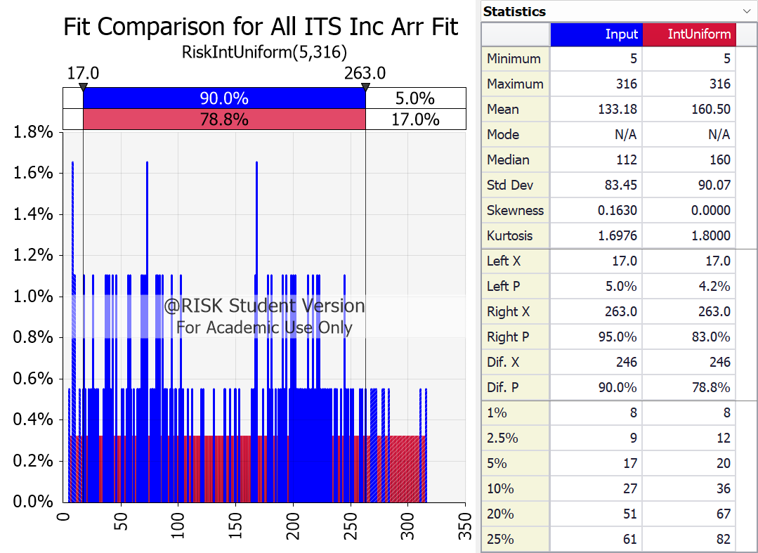

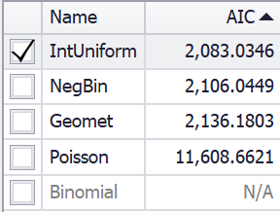
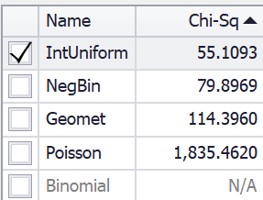

Del X | Del Y |  | X0 | Y0 | X1 | Y1
17 | 0.018 |  | 5 | 0.0055248618785 | 5 | 0.0032051282051
263 | 0.018 |  | 8 | 0.016574585635 | 6 | 0.0032051282051
8.5 | 0.018 |  | 9 | 0.011049723757 | 7 | 0.0032051282051
306.5 | 0.018 |  | 10 | 0.011049723757 | 8 | 0.0032051282051
140 | 0.018 |  | 14 | 0.0055248618785 | 9 | 0.0032051282051
 |  |  | 17 | 0.0055248618785 | 10 | 0.0032051282051
 |  |  | 18 | 0.011049723757 | 11 | 0.0032051282051
 |  |  | 19 | 0.0055248618785 | 12 | 0.0032051282051
 |  |  | 22 | 0.0055248618785 | 13 | 0.0032051282051
 |  |  | 24 | 0.0055248618785 | 14 | 0.0032051282051
 |  |  | 25 | 0.0055248618785 | 15 | 0.0032051282051
 |  |  | 26 | 0.011049723757 | 16 | 0.0032051282051
 |  |  | 27 | 0.0055248618785 | 17 | 0.0032051282051
 |  |  | 29 | 0.0055248618785 | 18 | 0.0032051282051
 |  |  | 30 | 0.0055248618785 | 19 | 0.0032051282051
 |  |  | 35 | 0.0055248618785 | 20 | 0.0032051282051
 |  |  | 36 | 0.0055248618785 | 21 | 0.0032051282051
 |  |  | 37 | 0.011049723757 | 22 | 0.0032051282051
 |  |  | 38 | 0.011049723757 | 23 | 0.0032051282051
 |  |  | 39 | 0.0055248618785 | 24 | 0.0032051282051
 |  |  | 40 | 0.011049723757 | 25 | 0.0032051282051
 |  |  | 41 | 0.0055248618785 | 26 | 0.0032051282051
 |  |  | 42 | 0.0055248618785 | 27 | 0.0032051282051
 |  |  | 43 | 0.011049723757 | 28 | 0.0032051282051
 |  |  | 46 | 0.011049723757 | 29 | 0.0032051282051
 |  |  | 51 | 0.0055248618785 | 30 | 0.0032051282051
 |  |  | 52 | 0.0055248618785 | 31 | 0.0032051282051
 |  |  | 55 | 0.0055248618785 | 32 | 0.0032051282051
 |  |  | 56 | 0.011049723757 | 33 | 0.0032051282051
 |  |  | 57 | 0.0055248618785 | 34 | 0.0032051282051
 |  |  | 58 | 0.011049723757 | 35 | 0.0032051282051
 |  |  | 59 | 0.0055248618785 | 36 | 0.0032051282051
 |  |  | 61 | 0.0055248618785 | 37 | 0.0032051282051
 |  |  | 64 | 0.0055248618785 | 38 | 0.0032051282051
 |  |  | 65 | 0.0055248618785 | 39 | 0.0032051282051
 |  |  | 66 | 0.0055248618785 | 40 | 0.0032051282051
 |  |  | 67 | 0.0055248618785 | 41 | 0.0032051282051
 |  |  | 68 | 0.011049723757 | 42 | 0.0032051282051
 |  |  | 69 | 0.011049723757 | 43 | 0.0032051282051
 |  |  | 71 | 0.011049723757 | 44 | 0.0032051282051
 |  |  | 72 | 0.0055248618785 | 45 | 0.0032051282051
 |  |  | 73 | 0.016574585635 | 46 | 0.0032051282051
 |  |  | 76 | 0.0055248618785 | 47 | 0.0032051282051
 |  |  | 77 | 0.0055248618785 | 48 | 0.0032051282051
 |  |  | 78 | 0.0055248618785 | 49 | 0.0032051282051
 |  |  | 79 | 0.0055248618785 | 50 | 0.0032051282051
 |  |  | 80 | 0.0055248618785 | 51 | 0.0032051282051
 |  |  | 81 | 0.011049723757 | 52 | 0.0032051282051
 |  |  | 82 | 0.011049723757 | 53 | 0.0032051282051
 |  |  | 83 | 0.0055248618785 | 54 | 0.0032051282051
 |  |  | 84 | 0.011049723757 | 55 | 0.0032051282051
 |  |  | 86 | 0.011049723757 | 56 | 0.0032051282051
 |  |  | 87 | 0.0055248618785 | 57 | 0.0032051282051
 |  |  | 88 | 0.0055248618785 | 58 | 0.0032051282051
 |  |  | 89 | 0.0055248618785 | 59 | 0.0032051282051
 |  |  | 90 | 0.0055248618785 | 60 | 0.0032051282051
 |  |  | 93 | 0.0055248618785 | 61 | 0.0032051282051
 |  |  | 94 | 0.011049723757 | 62 | 0.0032051282051
 |  |  | 95 | 0.0055248618785 | 63 | 0.0032051282051
 |  |  | 97 | 0.0055248618785 | 64 | 0.0032051282051
 |  |  | 98 | 0.0055248618785 | 65 | 0.0032051282051
 |  |  | 101 | 0.0055248618785 | 66 | 0.0032051282051
 |  |  | 102 | 0.011049723757 | 67 | 0.0032051282051
 |  |  | 103 | 0.0055248618785 | 68 | 0.0032051282051
 |  |  | 104 | 0.0055248618785 | 69 | 0.0032051282051
 |  |  | 108 | 0.0055248618785 | 70 | 0.0032051282051
 |  |  | 112 | 0.0055248618785 | 71 | 0.0032051282051
 |  |  | 120 | 0.0055248618785 | 72 | 0.0032051282051
 |  |  | 122 | 0.0055248618785 | 73 | 0.0032051282051
 |  |  | 131 | 0.0055248618785 | 74 | 0.0032051282051
 |  |  | 140 | 0.0055248618785 | 75 | 0.0032051282051
 |  |  | 141 | 0.0055248618785 | 76 | 0.0032051282051
 |  |  | 145 | 0.0055248618785 | 77 | 0.0032051282051
 |  |  | 149 | 0.0055248618785 | 78 | 0.0032051282051
 |  |  | 150 | 0.0055248618785 | 79 | 0.0032051282051
 |  |  | 153 | 0.0055248618785 | 80 | 0.0032051282051
 |  |  | 164 | 0.0055248618785 | 81 | 0.0032051282051
 |  |  | 166 | 0.0055248618785 | 82 | 0.0032051282051
 |  |  | 167 | 0.011049723757 | 83 | 0.0032051282051
 |  |  | 168 | 0.016574585635 | 84 | 0.0032051282051
 |  |  | 174 | 0.0055248618785 | 85 | 0.0032051282051
 |  |  | 178 | 0.011049723757 | 86 | 0.0032051282051
 |  |  | 179 | 0.0055248618785 | 87 | 0.0032051282051
 |  |  | 181 | 0.011049723757 | 88 | 0.0032051282051
 |  |  | 182 | 0.0055248618785 | 89 | 0.0032051282051
 |  |  | 185 | 0.0055248618785 | 90 | 0.0032051282051
 |  |  | 187 | 0.0055248618785 | 91 | 0.0032051282051
 |  |  | 189 | 0.0055248618785 | 92 | 0.0032051282051
 |  |  | 190 | 0.0055248618785 | 93 | 0.0032051282051
 |  |  | 191 | 0.011049723757 | 94 | 0.0032051282051
 |  |  | 192 | 0.0055248618785 | 95 | 0.0032051282051
 |  |  | 193 | 0.0055248618785 | 96 | 0.0032051282051
 |  |  | 194 | 0.011049723757 | 97 | 0.0032051282051
 |  |  | 197 | 0.0055248618785 | 98 | 0.0032051282051
 |  |  | 198 | 0.011049723757 | 99 | 0.0032051282051
 |  |  | 199 | 0.0055248618785 | 100 | 0.0032051282051
 |  |  | 200 | 0.011049723757 | 101 | 0.0032051282051
 |  |  | 202 | 0.011049723757 | 102 | 0.0032051282051
 |  |  | 203 | 0.0055248618785 | 103 | 0.0032051282051
 |  |  | 204 | 0.0055248618785 | 104 | 0.0032051282051
 |  |  | 205 | 0.0055248618785 | 105 | 0.0032051282051
 |  |  | 206 | 0.0055248618785 | 106 | 0.0032051282051
 |  |  | 207 | 0.0055248618785 | 107 | 0.0032051282051
 |  |  | 208 | 0.0055248618785 | 108 | 0.0032051282051
 |  |  | 210 | 0.0055248618785 | 109 | 0.0032051282051
 |  |  | 211 | 0.0055248618785 | 110 | 0.0032051282051
 |  |  | 213 | 0.011049723757 | 111 | 0.0032051282051
 |  |  | 214 | 0.0055248618785 | 112 | 0.0032051282051
 |  |  | 216 | 0.0055248618785 | 113 | 0.0032051282051
 |  |  | 217 | 0.011049723757 | 114 | 0.0032051282051
 |  |  | 219 | 0.0055248618785 | 115 | 0.0032051282051
 |  |  | 221 | 0.011049723757 | 116 | 0.0032051282051
 |  |  | 222 | 0.0055248618785 | 117 | 0.0032051282051
 |  |  | 223 | 0.011049723757 | 118 | 0.0032051282051
 |  |  | 224 | 0.0055248618785 | 119 | 0.0032051282051
 |  |  | 226 | 0.0055248618785 | 120 | 0.0032051282051
 |  |  | 227 | 0.0055248618785 | 121 | 0.0032051282051
 |  |  | 228 | 0.0055248618785 | 122 | 0.0032051282051
 |  |  | 230 | 0.0055248618785 | 123 | 0.0032051282051
 |  |  | 232 | 0.0055248618785 | 124 | 0.0032051282051
 |  |  | 233 | 0.0055248618785 | 125 | 0.0032051282051
 |  |  | 236 | 0.0055248618785 | 126 | 0.0032051282051
 |  |  | 237 | 0.0055248618785 | 127 | 0.0032051282051
 |  |  | 238 | 0.0055248618785 | 128 | 0.0032051282051
 |  |  | 242 | 0.0055248618785 | 129 | 0.0032051282051
 |  |  | 245 | 0.011049723757 | 130 | 0.0032051282051
 |  |  | 246 | 0.0055248618785 | 131 | 0.0032051282051
 |  |  | 248 | 0.0055248618785 | 132 | 0.0032051282051
 |  |  | 250 | 0.0055248618785 | 133 | 0.0032051282051
 |  |  | 252 | 0.0055248618785 | 134 | 0.0032051282051
 |  |  | 258 | 0.0055248618785 | 135 | 0.0032051282051
 |  |  | 260 | 0.0055248618785 | 136 | 0.0032051282051
 |  |  | 263 | 0.0055248618785 | 137 | 0.0032051282051
 |  |  | 268 | 0.0055248618785 | 138 | 0.0032051282051
 |  |  | 270 | 0.0055248618785 | 139 | 0.0032051282051
 |  |  | 271 | 0.0055248618785 | 140 | 0.0032051282051
 |  |  | 272 | 0.0055248618785 | 141 | 0.0032051282051
 |  |  | 278 | 0.0055248618785 | 142 | 0.0032051282051
 |  |  | 279 | 0.0055248618785 | 143 | 0.0032051282051
 |  |  | 283 | 0.0055248618785 | 144 | 0.0032051282051
 |  |  | 311 | 0.0055248618785 | 145 | 0.0032051282051
 |  |  | 316 | 0.0055248618785 | 146 | 0.0032051282051
 |  |  |  |  | 147 | 0.0032051282051
 |  |  |  |  | 148 | 0.0032051282051
 |  |  |  |  | 149 | 0.0032051282051
 |  |  |  |  | 150 | 0.0032051282051
 |  |  |  |  | 151 | 0.0032051282051
 |  |  |  |  | 152 | 0.0032051282051
 |  |  |  |  | 153 | 0.0032051282051
 |  |  |  |  | 154 | 0.0032051282051
 |  |  |  |  | 155 | 0.0032051282051
 |  |  |  |  | 156 | 0.0032051282051
 |  |  |  |  | 157 | 0.0032051282051
 |  |  |  |  | 158 | 0.0032051282051
 |  |  |  |  | 159 | 0.0032051282051
 |  |  |  |  | 160 | 0.0032051282051
 |  |  |  |  | 161 | 0.0032051282051
 |  |  |  |  | 162 | 0.0032051282051
 |  |  |  |  | 163 | 0.0032051282051
 |  |  |  |  | 164 | 0.0032051282051
 |  |  |  |  | 165 | 0.0032051282051
 |  |  |  |  | 166 | 0.0032051282051
 |  |  |  |  | 167 | 0.0032051282051
 |  |  |  |  | 168 | 0.0032051282051
 |  |  |  |  | 169 | 0.0032051282051
 |  |  |  |  | 170 | 0.0032051282051
 |  |  |  |  | 171 | 0.0032051282051
 |  |  |  |  | 172 | 0.0032051282051
 |  |  |  |  | 173 | 0.0032051282051
 |  |  |  |  | 174 | 0.0032051282051
 |  |  |  |  | 175 | 0.0032051282051
 |  |  |  |  | 176 | 0.0032051282051
 |  |  |  |  | 177 | 0.0032051282051
 |  |  |  |  | 178 | 0.0032051282051
 |  |  |  |  | 179 | 0.0032051282051
 |  |  |  |  | 180 | 0.0032051282051
 |  |  |  |  | 181 | 0.0032051282051
 |  |  |  |  | 182 | 0.0032051282051
 |  |  |  |  | 183 | 0.0032051282051
 |  |  |  |  | 184 | 0.0032051282051
 |  |  |  |  | 185 | 0.0032051282051
 |  |  |  |  | 186 | 0.0032051282051
 |  |  |  |  | 187 | 0.0032051282051
 |  |  |  |  | 188 | 0.0032051282051
 |  |  |  |  | 189 | 0.0032051282051
 |  |  |  |  | 190 | 0.0032051282051
 |  |  |  |  | 191 | 0.0032051282051
 |  |  |  |  | 192 | 0.0032051282051
 |  |  |  |  | 193 | 0.0032051282051
 |  |  |  |  | 194 | 0.0032051282051
 |  |  |  |  | 195 | 0.0032051282051
 |  |  |  |  | 196 | 0.0032051282051
 |  |  |  |  | 197 | 0.0032051282051
 |  |  |  |  | 198 | 0.0032051282051
 |  |  |  |  | 199 | 0.0032051282051
 |  |  |  |  | 200 | 0.0032051282051
 |  |  |  |  | 201 | 0.0032051282051
 |  |  |  |  | 202 | 0.0032051282051
 |  |  |  |  | 203 | 0.0032051282051
 |  |  |  |  | 204 | 0.0032051282051
 |  |  |  |  | 205 | 0.0032051282051
 |  |  |  |  | 206 | 0.0032051282051
 |  |  |  |  | 207 | 0.0032051282051
 |  |  |  |  | 208 | 0.0032051282051
 |  |  |  |  | 209 | 0.0032051282051
 |  |  |  |  | 210 | 0.0032051282051
 |  |  |  |  | 211 | 0.0032051282051
 |  |  |  |  | 212 | 0.0032051282051
 |  |  |  |  | 213 | 0.0032051282051
 |  |  |  |  | 214 | 0.0032051282051
 |  |  |  |  | 215 | 0.0032051282051
 |  |  |  |  | 216 | 0.0032051282051
 |  |  |  |  | 217 | 0.0032051282051
 |  |  |  |  | 218 | 0.0032051282051
 |  |  |  |  | 219 | 0.0032051282051
 |  |  |  |  | 220 | 0.0032051282051
 |  |  |  |  | 221 | 0.0032051282051
 |  |  |  |  | 222 | 0.0032051282051
 |  |  |  |  | 223 | 0.0032051282051
 |  |  |  |  | 224 | 0.0032051282051
 |  |  |  |  | 225 | 0.0032051282051
 |  |  |  |  | 226 | 0.0032051282051
 |  |  |  |  | 227 | 0.0032051282051
 |  |  |  |  | 228 | 0.0032051282051
 |  |  |  |  | 229 | 0.0032051282051
 |  |  |  |  | 230 | 0.0032051282051
 |  |  |  |  | 231 | 0.0032051282051
 |  |  |  |  | 232 | 0.0032051282051
 |  |  |  |  | 233 | 0.0032051282051
 |  |  |  |  | 234 | 0.0032051282051
 |  |  |  |  | 235 | 0.0032051282051
 |  |  |  |  | 236 | 0.0032051282051
 |  |  |  |  | 237 | 0.0032051282051
 |  |  |  |  | 238 | 0.0032051282051
 |  |  |  |  | 239 | 0.0032051282051
 |  |  |  |  | 240 | 0.0032051282051
 |  |  |  |  | 241 | 0.0032051282051
 |  |  |  |  | 242 | 0.0032051282051
 |  |  |  |  | 243 | 0.0032051282051
 |  |  |  |  | 244 | 0.0032051282051
 |  |  |  |  | 245 | 0.0032051282051
 |  |  |  |  | 246 | 0.0032051282051
 |  |  |  |  | 247 | 0.0032051282051
 |  |  |  |  | 248 | 0.0032051282051
 |  |  |  |  | 249 | 0.0032051282051
 |  |  |  |  | 250 | 0.0032051282051
 |  |  |  |  | 251 | 0.0032051282051
 |  |  |  |  | 252 | 0.0032051282051
 |  |  |  |  | 253 | 0.0032051282051
 |  |  |  |  | 254 | 0.0032051282051
 |  |  |  |  | 255 | 0.0032051282051
 |  |  |  |  | 256 | 0.0032051282051
 |  |  |  |  | 257 | 0.0032051282051
 |  |  |  |  | 258 | 0.0032051282051
 |  |  |  |  | 259 | 0.0032051282051
 |  |  |  |  | 260 | 0.0032051282051
 |  |  |  |  | 261 | 0.0032051282051
 |  |  |  |  | 262 | 0.0032051282051
 |  |  |  |  | 263 | 0.0032051282051
 |  |  |  |  | 264 | 0.0032051282051
 |  |  |  |  | 265 | 0.0032051282051
 |  |  |  |  | 266 | 0.0032051282051
 |  |  |  |  | 267 | 0.0032051282051
 |  |  |  |  | 268 | 0.0032051282051
 |  |  |  |  | 269 | 0.0032051282051
 |  |  |  |  | 270 | 0.0032051282051
 |  |  |  |  | 271 | 0.0032051282051
 |  |  |  |  | 272 | 0.0032051282051
 |  |  |  |  | 273 | 0.0032051282051
 |  |  |  |  | 274 | 0.0032051282051
 |  |  |  |  | 275 | 0.0032051282051
 |  |  |  |  | 276 | 0.0032051282051
 |  |  |  |  | 277 | 0.0032051282051
 |  |  |  |  | 278 | 0.0032051282051
 |  |  |  |  | 279 | 0.0032051282051
 |  |  |  |  | 280 | 0.0032051282051
 |  |  |  |  | 281 | 0.0032051282051
 |  |  |  |  | 282 | 0.0032051282051
 |  |  |  |  | 283 | 0.0032051282051
 |  |  |  |  | 284 | 0.0032051282051
 |  |  |  |  | 285 | 0.0032051282051
 |  |  |  |  | 286 | 0.0032051282051
 |  |  |  |  | 287 | 0.0032051282051
 |  |  |  |  | 288 | 0.0032051282051
 |  |  |  |  | 289 | 0.0032051282051
 |  |  |  |  | 290 | 0.0032051282051
 |  |  |  |  | 291 | 0.0032051282051
 |  |  |  |  | 292 | 0.0032051282051
 |  |  |  |  | 293 | 0.0032051282051
 |  |  |  |  | 294 | 0.0032051282051
 |  |  |  |  | 295 | 0.0032051282051
 |  |  |  |  | 296 | 0.0032051282051
 |  |  |  |  | 297 | 0.0032051282051
 |  |  |  |  | 298 | 0.0032051282051
 |  |  |  |  | 299 | 0.0032051282051
 |  |  |  |  | 300 | 0.0032051282051
 |  |  |  |  | 301 | 0.0032051282051
 |  |  |  |  | 302 | 0.0032051282051
 |  |  |  |  | 303 | 0.0032051282051
 |  |  |  |  | 304 | 0.0032051282051
 |  |  |  |  | 305 | 0.0032051282051
 |  |  |  |  | 306 | 0.0032051282051
 |  |  |  |  | 307 | 0.0032051282051
 |  |  |  |  | 308 | 0.0032051282051
 |  |  |  |  | 309 | 0.0032051282051
 |  |  |  |  | 310 | 0.0032051282051
 |  |  |  |  | 311 | 0.0032051282051
 |  |  |  |  | 312 | 0.0032051282051
 |  |  |  |  | 313 | 0.0032051282051
 |  |  |  |  | 314 | 0.0032051282051
 |  |  |  |  | 315 | 0.0032051282051
 |  |  |  |  | 316 | 0.0032051282051

 | XFill0 | Input |  | XFill1 | IntUniform
 | 5 | 1E-200 |  | 3.25 | 1E-200
 | 5 | 0.0055248618785 |  | 3.25 | 0.0032051282051
 | 5 | 1E-200 |  | 5 | 0.0032051282051
 | 8 | 1E-200 |  | 6.75 | 0.0032051282051
 | 8 | 0.016574585635 |  | 6.75 | 1E-200
 | 8 | 1E-200 |  | 4.25 | 1E-200
 | 9 | 1E-200 |  | 4.25 | 0.0032051282051
 | 9 | 0.011049723757 |  | 6 | 0.0032051282051
 | 9 | 1E-200 |  | 7.75 | 0.0032051282051
 | 10 | 1E-200 |  | 7.75 | 1E-200
 | 10 | 0.011049723757 |  | 5.25 | 1E-200
 | 10 | 1E-200 |  | 5.25 | 0.0032051282051
 | 14 | 1E-200 |  | 7 | 0.0032051282051
 | 14 | 0.0055248618785 |  | 8.75 | 0.0032051282051
 | 14 | 1E-200 |  | 8.75 | 1E-200
 | 17 | 1E-200 |  | 6.25 | 1E-200
 | 17 | 0.0055248618785 |  | 6.25 | 0.0032051282051
 | 17 | 1E-200 |  | 8 | 0.0032051282051
 | 18 | 1E-200 |  | 9.75 | 0.0032051282051
 | 18 | 0.011049723757 |  | 9.75 | 1E-200
 | 18 | 1E-200 |  | 7.25 | 1E-200
 | 19 | 1E-200 |  | 7.25 | 0.0032051282051
 | 19 | 0.0055248618785 |  | 9 | 0.0032051282051
 | 19 | 1E-200 |  | 10.75 | 0.0032051282051
 | 22 | 1E-200 |  | 10.75 | 1E-200
 | 22 | 0.0055248618785 |  | 8.25 | 1E-200
 | 22 | 1E-200 |  | 8.25 | 0.0032051282051
 | 24 | 1E-200 |  | 10 | 0.0032051282051
 | 24 | 0.0055248618785 |  | 11.75 | 0.0032051282051
 | 24 | 1E-200 |  | 11.75 | 1E-200
 | 25 | 1E-200 |  | 9.25 | 1E-200
 | 25 | 0.0055248618785 |  | 9.25 | 0.0032051282051
 | 25 | 1E-200 |  | 11 | 0.0032051282051
 | 26 | 1E-200 |  | 12.75 | 0.0032051282051
 | 26 | 0.011049723757 |  | 12.75 | 1E-200
 | 26 | 1E-200 |  | 10.25 | 1E-200
 | 27 | 1E-200 |  | 10.25 | 0.0032051282051
 | 27 | 0.0055248618785 |  | 12 | 0.0032051282051
 | 27 | 1E-200 |  | 13.75 | 0.0032051282051
 | 29 | 1E-200 |  | 13.75 | 1E-200
 | 29 | 0.0055248618785 |  | 11.25 | 1E-200
 | 29 | 1E-200 |  | 11.25 | 0.0032051282051
 | 30 | 1E-200 |  | 13 | 0.0032051282051
 | 30 | 0.0055248618785 |  | 14.75 | 0.0032051282051
 | 30 | 1E-200 |  | 14.75 | 1E-200
 | 35 | 1E-200 |  | 12.25 | 1E-200
 | 35 | 0.0055248618785 |  | 12.25 | 0.0032051282051
 | 35 | 1E-200 |  | 14 | 0.0032051282051
 | 36 | 1E-200 |  | 15.75 | 0.0032051282051
 | 36 | 0.0055248618785 |  | 15.75 | 1E-200
 | 36 | 1E-200 |  | 13.25 | 1E-200
 | 37 | 1E-200 |  | 13.25 | 0.0032051282051
 | 37 | 0.011049723757 |  | 15 | 0.0032051282051
 | 37 | 1E-200 |  | 16.75 | 0.0032051282051
 | 38 | 1E-200 |  | 16.75 | 1E-200
 | 38 | 0.011049723757 |  | 14.25 | 1E-200
 | 38 | 1E-200 |  | 14.25 | 0.0032051282051
 | 39 | 1E-200 |  | 16 | 0.0032051282051
 | 39 | 0.0055248618785 |  | 17.75 | 0.0032051282051
 | 39 | 1E-200 |  | 17.75 | 1E-200
 | 40 | 1E-200 |  | 15.25 | 1E-200
 | 40 | 0.011049723757 |  | 15.25 | 0.0032051282051
 | 40 | 1E-200 |  | 17 | 0.0032051282051
 | 41 | 1E-200 |  | 18.75 | 0.0032051282051
 | 41 | 0.0055248618785 |  | 18.75 | 1E-200
 | 41 | 1E-200 |  | 16.25 | 1E-200
 | 42 | 1E-200 |  | 16.25 | 0.0032051282051
 | 42 | 0.0055248618785 |  | 18 | 0.0032051282051
 | 42 | 1E-200 |  | 19.75 | 0.0032051282051
 | 43 | 1E-200 |  | 19.75 | 1E-200
 | 43 | 0.011049723757 |  | 17.25 | 1E-200
 | 43 | 1E-200 |  | 17.25 | 0.0032051282051
 | 46 | 1E-200 |  | 19 | 0.0032051282051
 | 46 | 0.011049723757 |  | 20.75 | 0.0032051282051
 | 46 | 1E-200 |  | 20.75 | 1E-200
 | 51 | 1E-200 |  | 18.25 | 1E-200
 | 51 | 0.0055248618785 |  | 18.25 | 0.0032051282051
 | 51 | 1E-200 |  | 20 | 0.0032051282051
 | 52 | 1E-200 |  | 21.75 | 0.0032051282051
 | 52 | 0.0055248618785 |  | 21.75 | 1E-200
 | 52 | 1E-200 |  | 19.25 | 1E-200
 | 55 | 1E-200 |  | 19.25 | 0.0032051282051
 | 55 | 0.0055248618785 |  | 21 | 0.0032051282051
 | 55 | 1E-200 |  | 22.75 | 0.0032051282051
 | 56 | 1E-200 |  | 22.75 | 1E-200
 | 56 | 0.011049723757 |  | 20.25 | 1E-200
 | 56 | 1E-200 |  | 20.25 | 0.0032051282051
 | 57 | 1E-200 |  | 22 | 0.0032051282051
 | 57 | 0.0055248618785 |  | 23.75 | 0.0032051282051
 | 57 | 1E-200 |  | 23.75 | 1E-200
 | 58 | 1E-200 |  | 21.25 | 1E-200
 | 58 | 0.011049723757 |  | 21.25 | 0.0032051282051
 | 58 | 1E-200 |  | 23 | 0.0032051282051
 | 59 | 1E-200 |  | 24.75 | 0.0032051282051
 | 59 | 0.0055248618785 |  | 24.75 | 1E-200
 | 59 | 1E-200 |  | 22.25 | 1E-200
 | 61 | 1E-200 |  | 22.25 | 0.0032051282051
 | 61 | 0.0055248618785 |  | 24 | 0.0032051282051
 | 61 | 1E-200 |  | 25.75 | 0.0032051282051
 | 64 | 1E-200 |  | 25.75 | 1E-200
 | 64 | 0.0055248618785 |  | 23.25 | 1E-200
 | 64 | 1E-200 |  | 23.25 | 0.0032051282051
 | 65 | 1E-200 |  | 25 | 0.0032051282051
 | 65 | 0.0055248618785 |  | 26.75 | 0.0032051282051
 | 65 | 1E-200 |  | 26.75 | 1E-200
 | 66 | 1E-200 |  | 24.25 | 1E-200
 | 66 | 0.0055248618785 |  | 24.25 | 0.0032051282051
 | 66 | 1E-200 |  | 26 | 0.0032051282051
 | 67 | 1E-200 |  | 27.75 | 0.0032051282051
 | 67 | 0.0055248618785 |  | 27.75 | 1E-200
 | 67 | 1E-200 |  | 25.25 | 1E-200
 | 68 | 1E-200 |  | 25.25 | 0.0032051282051
 | 68 | 0.011049723757 |  | 27 | 0.0032051282051
 | 68 | 1E-200 |  | 28.75 | 0.0032051282051
 | 69 | 1E-200 |  | 28.75 | 1E-200
 | 69 | 0.011049723757 |  | 26.25 | 1E-200
 | 69 | 1E-200 |  | 26.25 | 0.0032051282051
 | 71 | 1E-200 |  | 28 | 0.0032051282051
 | 71 | 0.011049723757 |  | 29.75 | 0.0032051282051
 | 71 | 1E-200 |  | 29.75 | 1E-200
 | 72 | 1E-200 |  | 27.25 | 1E-200
 | 72 | 0.0055248618785 |  | 27.25 | 0.0032051282051
 | 72 | 1E-200 |  | 29 | 0.0032051282051
 | 73 | 1E-200 |  | 30.75 | 0.0032051282051
 | 73 | 0.016574585635 |  | 30.75 | 1E-200
 | 73 | 1E-200 |  | 28.25 | 1E-200
 | 76 | 1E-200 |  | 28.25 | 0.0032051282051
 | 76 | 0.0055248618785 |  | 30 | 0.0032051282051
 | 76 | 1E-200 |  | 31.75 | 0.0032051282051
 | 77 | 1E-200 |  | 31.75 | 1E-200
 | 77 | 0.0055248618785 |  | 29.25 | 1E-200
 | 77 | 1E-200 |  | 29.25 | 0.0032051282051
 | 78 | 1E-200 |  | 31 | 0.0032051282051
 | 78 | 0.0055248618785 |  | 32.75 | 0.0032051282051
 | 78 | 1E-200 |  | 32.75 | 1E-200
 | 79 | 1E-200 |  | 30.25 | 1E-200
 | 79 | 0.0055248618785 |  | 30.25 | 0.0032051282051
 | 79 | 1E-200 |  | 32 | 0.0032051282051
 | 80 | 1E-200 |  | 33.75 | 0.0032051282051
 | 80 | 0.0055248618785 |  | 33.75 | 1E-200
 | 80 | 1E-200 |  | 31.25 | 1E-200
 | 81 | 1E-200 |  | 31.25 | 0.0032051282051
 | 81 | 0.011049723757 |  | 33 | 0.0032051282051
 | 81 | 1E-200 |  | 34.75 | 0.0032051282051
 | 82 | 1E-200 |  | 34.75 | 1E-200
 | 82 | 0.011049723757 |  | 32.25 | 1E-200
 | 82 | 1E-200 |  | 32.25 | 0.0032051282051
 | 83 | 1E-200 |  | 34 | 0.0032051282051
 | 83 | 0.0055248618785 |  | 35.75 | 0.0032051282051
 | 83 | 1E-200 |  | 35.75 | 1E-200
 | 84 | 1E-200 |  | 33.25 | 1E-200
 | 84 | 0.011049723757 |  | 33.25 | 0.0032051282051
 | 84 | 1E-200 |  | 35 | 0.0032051282051
 | 86 | 1E-200 |  | 36.75 | 0.0032051282051
 | 86 | 0.011049723757 |  | 36.75 | 1E-200
 | 86 | 1E-200 |  | 34.25 | 1E-200
 | 87 | 1E-200 |  | 34.25 | 0.0032051282051
 | 87 | 0.0055248618785 |  | 36 | 0.0032051282051
 | 87 | 1E-200 |  | 37.75 | 0.0032051282051
 | 88 | 1E-200 |  | 37.75 | 1E-200
 | 88 | 0.0055248618785 |  | 35.25 | 1E-200
 | 88 | 1E-200 |  | 35.25 | 0.0032051282051
 | 89 | 1E-200 |  | 37 | 0.0032051282051
 | 89 | 0.0055248618785 |  | 38.75 | 0.0032051282051
 | 89 | 1E-200 |  | 38.75 | 1E-200
 | 90 | 1E-200 |  | 36.25 | 1E-200
 | 90 | 0.0055248618785 |  | 36.25 | 0.0032051282051
 | 90 | 1E-200 |  | 38 | 0.0032051282051
 | 93 | 1E-200 |  | 39.75 | 0.0032051282051
 | 93 | 0.0055248618785 |  | 39.75 | 1E-200
 | 93 | 1E-200 |  | 37.25 | 1E-200
 | 94 | 1E-200 |  | 37.25 | 0.0032051282051
 | 94 | 0.011049723757 |  | 39 | 0.0032051282051
 | 94 | 1E-200 |  | 40.75 | 0.0032051282051
 | 95 | 1E-200 |  | 40.75 | 1E-200
 | 95 | 0.0055248618785 |  | 38.25 | 1E-200
 | 95 | 1E-200 |  | 38.25 | 0.0032051282051
 | 97 | 1E-200 |  | 40 | 0.0032051282051
 | 97 | 0.0055248618785 |  | 41.75 | 0.0032051282051
 | 97 | 1E-200 |  | 41.75 | 1E-200
 | 98 | 1E-200 |  | 39.25 | 1E-200
 | 98 | 0.0055248618785 |  | 39.25 | 0.0032051282051
 | 98 | 1E-200 |  | 41 | 0.0032051282051
 | 101 | 1E-200 |  | 42.75 | 0.0032051282051
 | 101 | 0.0055248618785 |  | 42.75 | 1E-200
 | 101 | 1E-200 |  | 40.25 | 1E-200
 | 102 | 1E-200 |  | 40.25 | 0.0032051282051
 | 102 | 0.011049723757 |  | 42 | 0.0032051282051
 | 102 | 1E-200 |  | 43.75 | 0.0032051282051
 | 103 | 1E-200 |  | 43.75 | 1E-200
 | 103 | 0.0055248618785 |  | 41.25 | 1E-200
 | 103 | 1E-200 |  | 41.25 | 0.0032051282051
 | 104 | 1E-200 |  | 43 | 0.0032051282051
 | 104 | 0.0055248618785 |  | 44.75 | 0.0032051282051
 | 104 | 1E-200 |  | 44.75 | 1E-200
 | 108 | 1E-200 |  | 42.25 | 1E-200
 | 108 | 0.0055248618785 |  | 42.25 | 0.0032051282051
 | 108 | 1E-200 |  | 44 | 0.0032051282051
 | 112 | 1E-200 |  | 45.75 | 0.0032051282051
 | 112 | 0.0055248618785 |  | 45.75 | 1E-200
 | 112 | 1E-200 |  | 43.25 | 1E-200
 | 120 | 1E-200 |  | 43.25 | 0.0032051282051
 | 120 | 0.0055248618785 |  | 45 | 0.0032051282051
 | 120 | 1E-200 |  | 46.75 | 0.0032051282051
 | 122 | 1E-200 |  | 46.75 | 1E-200
 | 122 | 0.0055248618785 |  | 44.25 | 1E-200
 | 122 | 1E-200 |  | 44.25 | 0.0032051282051
 | 131 | 1E-200 |  | 46 | 0.0032051282051
 | 131 | 0.0055248618785 |  | 47.75 | 0.0032051282051
 | 131 | 1E-200 |  | 47.75 | 1E-200
 | 140 | 1E-200 |  | 45.25 | 1E-200
 | 140 | 0.0055248618785 |  | 45.25 | 0.0032051282051
 | 140 | 1E-200 |  | 47 | 0.0032051282051
 | 141 | 1E-200 |  | 48.75 | 0.0032051282051
 | 141 | 0.0055248618785 |  | 48.75 | 1E-200
 | 141 | 1E-200 |  | 46.25 | 1E-200
 | 145 | 1E-200 |  | 46.25 | 0.0032051282051
 | 145 | 0.0055248618785 |  | 48 | 0.0032051282051
 | 145 | 1E-200 |  | 49.75 | 0.0032051282051
 | 149 | 1E-200 |  | 49.75 | 1E-200
 | 149 | 0.0055248618785 |  | 47.25 | 1E-200
 | 149 | 1E-200 |  | 47.25 | 0.0032051282051
 | 150 | 1E-200 |  | 49 | 0.0032051282051
 | 150 | 0.0055248618785 |  | 50.75 | 0.0032051282051
 | 150 | 1E-200 |  | 50.75 | 1E-200
 | 153 | 1E-200 |  | 48.25 | 1E-200
 | 153 | 0.0055248618785 |  | 48.25 | 0.0032051282051
 | 153 | 1E-200 |  | 50 | 0.0032051282051
 | 164 | 1E-200 |  | 51.75 | 0.0032051282051
 | 164 | 0.0055248618785 |  | 51.75 | 1E-200
 | 164 | 1E-200 |  | 49.25 | 1E-200
 | 166 | 1E-200 |  | 49.25 | 0.0032051282051
 | 166 | 0.0055248618785 |  | 51 | 0.0032051282051
 | 166 | 1E-200 |  | 52.75 | 0.0032051282051
 | 167 | 1E-200 |  | 52.75 | 1E-200
 | 167 | 0.011049723757 |  | 50.25 | 1E-200
 | 167 | 1E-200 |  | 50.25 | 0.0032051282051
 | 168 | 1E-200 |  | 52 | 0.0032051282051
 | 168 | 0.016574585635 |  | 53.75 | 0.0032051282051
 | 168 | 1E-200 |  | 53.75 | 1E-200
 | 174 | 1E-200 |  | 51.25 | 1E-200
 | 174 | 0.0055248618785 |  | 51.25 | 0.0032051282051
 | 174 | 1E-200 |  | 53 | 0.0032051282051
 | 178 | 1E-200 |  | 54.75 | 0.0032051282051
 | 178 | 0.011049723757 |  | 54.75 | 1E-200
 | 178 | 1E-200 |  | 52.25 | 1E-200
 | 179 | 1E-200 |  | 52.25 | 0.0032051282051
 | 179 | 0.0055248618785 |  | 54 | 0.0032051282051
 | 179 | 1E-200 |  | 55.75 | 0.0032051282051
 | 181 | 1E-200 |  | 55.75 | 1E-200
 | 181 | 0.011049723757 |  | 53.25 | 1E-200
 | 181 | 1E-200 |  | 53.25 | 0.0032051282051
 | 182 | 1E-200 |  | 55 | 0.0032051282051
 | 182 | 0.0055248618785 |  | 56.75 | 0.0032051282051
 | 182 | 1E-200 |  | 56.75 | 1E-200
 | 185 | 1E-200 |  | 54.25 | 1E-200
 | 185 | 0.0055248618785 |  | 54.25 | 0.0032051282051
 | 185 | 1E-200 |  | 56 | 0.0032051282051
 | 187 | 1E-200 |  | 57.75 | 0.0032051282051
 | 187 | 0.0055248618785 |  | 57.75 | 1E-200
 | 187 | 1E-200 |  | 55.25 | 1E-200
 | 189 | 1E-200 |  | 55.25 | 0.0032051282051
 | 189 | 0.0055248618785 |  | 57 | 0.0032051282051
 | 189 | 1E-200 |  | 58.75 | 0.0032051282051
 | 190 | 1E-200 |  | 58.75 | 1E-200
 | 190 | 0.0055248618785 |  | 56.25 | 1E-200
 | 190 | 1E-200 |  | 56.25 | 0.0032051282051
 | 191 | 1E-200 |  | 58 | 0.0032051282051
 | 191 | 0.011049723757 |  | 59.75 | 0.0032051282051
 | 191 | 1E-200 |  | 59.75 | 1E-200
 | 192 | 1E-200 |  | 57.25 | 1E-200
 | 192 | 0.0055248618785 |  | 57.25 | 0.0032051282051
 | 192 | 1E-200 |  | 59 | 0.0032051282051
 | 193 | 1E-200 |  | 60.75 | 0.0032051282051
 | 193 | 0.0055248618785 |  | 60.75 | 1E-200
 | 193 | 1E-200 |  | 58.25 | 1E-200
 | 194 | 1E-200 |  | 58.25 | 0.0032051282051
 | 194 | 0.011049723757 |  | 60 | 0.0032051282051
 | 194 | 1E-200 |  | 61.75 | 0.0032051282051
 | 197 | 1E-200 |  | 61.75 | 1E-200
 | 197 | 0.0055248618785 |  | 59.25 | 1E-200
 | 197 | 1E-200 |  | 59.25 | 0.0032051282051
 | 198 | 1E-200 |  | 61 | 0.0032051282051
 | 198 | 0.011049723757 |  | 62.75 | 0.0032051282051
 | 198 | 1E-200 |  | 62.75 | 1E-200
 | 199 | 1E-200 |  | 60.25 | 1E-200
 | 199 | 0.0055248618785 |  | 60.25 | 0.0032051282051
 | 199 | 1E-200 |  | 62 | 0.0032051282051
 | 200 | 1E-200 |  | 63.75 | 0.0032051282051
 | 200 | 0.011049723757 |  | 63.75 | 1E-200
 | 200 | 1E-200 |  | 61.25 | 1E-200
 | 202 | 1E-200 |  | 61.25 | 0.0032051282051
 | 202 | 0.011049723757 |  | 63 | 0.0032051282051
 | 202 | 1E-200 |  | 64.75 | 0.0032051282051
 | 203 | 1E-200 |  | 64.75 | 1E-200
 | 203 | 0.0055248618785 |  | 62.25 | 1E-200
 | 203 | 1E-200 |  | 62.25 | 0.0032051282051
 | 204 | 1E-200 |  | 64 | 0.0032051282051
 | 204 | 0.0055248618785 |  | 65.75 | 0.0032051282051
 | 204 | 1E-200 |  | 65.75 | 1E-200
 | 205 | 1E-200 |  | 63.25 | 1E-200
 | 205 | 0.0055248618785 |  | 63.25 | 0.0032051282051
 | 205 | 1E-200 |  | 65 | 0.0032051282051
 | 206 | 1E-200 |  | 66.75 | 0.0032051282051
 | 206 | 0.0055248618785 |  | 66.75 | 1E-200
 | 206 | 1E-200 |  | 64.25 | 1E-200
 | 207 | 1E-200 |  | 64.25 | 0.0032051282051
 | 207 | 0.0055248618785 |  | 66 | 0.0032051282051
 | 207 | 1E-200 |  | 67.75 | 0.0032051282051
 | 208 | 1E-200 |  | 67.75 | 1E-200
 | 208 | 0.0055248618785 |  | 65.25 | 1E-200
 | 208 | 1E-200 |  | 65.25 | 0.0032051282051
 | 210 | 1E-200 |  | 67 | 0.0032051282051
 | 210 | 0.0055248618785 |  | 68.75 | 0.0032051282051
 | 210 | 1E-200 |  | 68.75 | 1E-200
 | 211 | 1E-200 |  | 66.25 | 1E-200
 | 211 | 0.0055248618785 |  | 66.25 | 0.0032051282051
 | 211 | 1E-200 |  | 68 | 0.0032051282051
 | 213 | 1E-200 |  | 69.75 | 0.0032051282051
 | 213 | 0.011049723757 |  | 69.75 | 1E-200
 | 213 | 1E-200 |  | 67.25 | 1E-200
 | 214 | 1E-200 |  | 67.25 | 0.0032051282051
 | 214 | 0.0055248618785 |  | 69 | 0.0032051282051
 | 214 | 1E-200 |  | 70.75 | 0.0032051282051
 | 216 | 1E-200 |  | 70.75 | 1E-200
 | 216 | 0.0055248618785 |  | 68.25 | 1E-200
 | 216 | 1E-200 |  | 68.25 | 0.0032051282051
 | 217 | 1E-200 |  | 70 | 0.0032051282051
 | 217 | 0.011049723757 |  | 71.75 | 0.0032051282051
 | 217 | 1E-200 |  | 71.75 | 1E-200
 | 219 | 1E-200 |  | 69.25 | 1E-200
 | 219 | 0.0055248618785 |  | 69.25 | 0.0032051282051
 | 219 | 1E-200 |  | 71 | 0.0032051282051
 | 221 | 1E-200 |  | 72.75 | 0.0032051282051
 | 221 | 0.011049723757 |  | 72.75 | 1E-200
 | 221 | 1E-200 |  | 70.25 | 1E-200
 | 222 | 1E-200 |  | 70.25 | 0.0032051282051
 | 222 | 0.0055248618785 |  | 72 | 0.0032051282051
 | 222 | 1E-200 |  | 73.75 | 0.0032051282051
 | 223 | 1E-200 |  | 73.75 | 1E-200
 | 223 | 0.011049723757 |  | 71.25 | 1E-200
 | 223 | 1E-200 |  | 71.25 | 0.0032051282051
 | 224 | 1E-200 |  | 73 | 0.0032051282051
 | 224 | 0.0055248618785 |  | 74.75 | 0.0032051282051
 | 224 | 1E-200 |  | 74.75 | 1E-200
 | 226 | 1E-200 |  | 72.25 | 1E-200
 | 226 | 0.0055248618785 |  | 72.25 | 0.0032051282051
 | 226 | 1E-200 |  | 74 | 0.0032051282051
 | 227 | 1E-200 |  | 75.75 | 0.0032051282051
 | 227 | 0.0055248618785 |  | 75.75 | 1E-200
 | 227 | 1E-200 |  | 73.25 | 1E-200
 | 228 | 1E-200 |  | 73.25 | 0.0032051282051
 | 228 | 0.0055248618785 |  | 75 | 0.0032051282051
 | 228 | 1E-200 |  | 76.75 | 0.0032051282051
 | 230 | 1E-200 |  | 76.75 | 1E-200
 | 230 | 0.0055248618785 |  | 74.25 | 1E-200
 | 230 | 1E-200 |  | 74.25 | 0.0032051282051
 | 232 | 1E-200 |  | 76 | 0.0032051282051
 | 232 | 0.0055248618785 |  | 77.75 | 0.0032051282051
 | 232 | 1E-200 |  | 77.75 | 1E-200
 | 233 | 1E-200 |  | 75.25 | 1E-200
 | 233 | 0.0055248618785 |  | 75.25 | 0.0032051282051
 | 233 | 1E-200 |  | 77 | 0.0032051282051
 | 236 | 1E-200 |  | 78.75 | 0.0032051282051
 | 236 | 0.0055248618785 |  | 78.75 | 1E-200
 | 236 | 1E-200 |  | 76.25 | 1E-200
 | 237 | 1E-200 |  | 76.25 | 0.0032051282051
 | 237 | 0.0055248618785 |  | 78 | 0.0032051282051
 | 237 | 1E-200 |  | 79.75 | 0.0032051282051
 | 238 | 1E-200 |  | 79.75 | 1E-200
 | 238 | 0.0055248618785 |  | 77.25 | 1E-200
 | 238 | 1E-200 |  | 77.25 | 0.0032051282051
 | 242 | 1E-200 |  | 79 | 0.0032051282051
 | 242 | 0.0055248618785 |  | 80.75 | 0.0032051282051
 | 242 | 1E-200 |  | 80.75 | 1E-200
 | 245 | 1E-200 |  | 78.25 | 1E-200
 | 245 | 0.011049723757 |  | 78.25 | 0.0032051282051
 | 245 | 1E-200 |  | 80 | 0.0032051282051
 | 246 | 1E-200 |  | 81.75 | 0.0032051282051
 | 246 | 0.0055248618785 |  | 81.75 | 1E-200
 | 246 | 1E-200 |  | 79.25 | 1E-200
 | 248 | 1E-200 |  | 79.25 | 0.0032051282051
 | 248 | 0.0055248618785 |  | 81 | 0.0032051282051
 | 248 | 1E-200 |  | 82.75 | 0.0032051282051
 | 250 | 1E-200 |  | 82.75 | 1E-200
 | 250 | 0.0055248618785 |  | 80.25 | 1E-200
 | 250 | 1E-200 |  | 80.25 | 0.0032051282051
 | 252 | 1E-200 |  | 82 | 0.0032051282051
 | 252 | 0.0055248618785 |  | 83.75 | 0.0032051282051
 | 252 | 1E-200 |  | 83.75 | 1E-200
 | 258 | 1E-200 |  | 81.25 | 1E-200
 | 258 | 0.0055248618785 |  | 81.25 | 0.0032051282051
 | 258 | 1E-200 |  | 83 | 0.0032051282051
 | 260 | 1E-200 |  | 84.75 | 0.0032051282051
 | 260 | 0.0055248618785 |  | 84.75 | 1E-200
 | 260 | 1E-200 |  | 82.25 | 1E-200
 | 263 | 1E-200 |  | 82.25 | 0.0032051282051
 | 263 | 0.0055248618785 |  | 84 | 0.0032051282051
 | 263 | 1E-200 |  | 85.75 | 0.0032051282051
 | 268 | 1E-200 |  | 85.75 | 1E-200
 | 268 | 0.0055248618785 |  | 83.25 | 1E-200
 | 268 | 1E-200 |  | 83.25 | 0.0032051282051
 | 270 | 1E-200 |  | 85 | 0.0032051282051
 | 270 | 0.0055248618785 |  | 86.75 | 0.0032051282051
 | 270 | 1E-200 |  | 86.75 | 1E-200
 | 271 | 1E-200 |  | 84.25 | 1E-200
 | 271 | 0.0055248618785 |  | 84.25 | 0.0032051282051
 | 271 | 1E-200 |  | 86 | 0.0032051282051
 | 272 | 1E-200 |  | 87.75 | 0.0032051282051
 | 272 | 0.0055248618785 |  | 87.75 | 1E-200
 | 272 | 1E-200 |  | 85.25 | 1E-200
 | 278 | 1E-200 |  | 85.25 | 0.0032051282051
 | 278 | 0.0055248618785 |  | 87 | 0.0032051282051
 | 278 | 1E-200 |  | 88.75 | 0.0032051282051
 | 279 | 1E-200 |  | 88.75 | 1E-200
 | 279 | 0.0055248618785 |  | 86.25 | 1E-200
 | 279 | 1E-200 |  | 86.25 | 0.0032051282051
 | 283 | 1E-200 |  | 88 | 0.0032051282051
 | 283 | 0.0055248618785 |  | 89.75 | 0.0032051282051
 | 283 | 1E-200 |  | 89.75 | 1E-200
 | 311 | 1E-200 |  | 87.25 | 1E-200
 | 311 | 0.0055248618785 |  | 87.25 | 0.0032051282051
 | 311 | 1E-200 |  | 89 | 0.0032051282051
 | 316 | 1E-200 |  | 90.75 | 0.0032051282051
 | 316 | 0.0055248618785 |  | 90.75 | 1E-200
 | 316 | 1E-200 |  | 88.25 | 1E-200
 |  |  |  | 88.25 | 0.0032051282051
 |  |  |  | 90 | 0.0032051282051
 |  |  |  | 91.75 | 0.0032051282051
 |  |  |  | 91.75 | 1E-200
 |  |  |  | 89.25 | 1E-200
 |  |  |  | 89.25 | 0.0032051282051
 |  |  |  | 91 | 0.0032051282051
 |  |  |  | 92.75 | 0.0032051282051
 |  |  |  | 92.75 | 1E-200
 |  |  |  | 90.25 | 1E-200
 |  |  |  | 90.25 | 0.0032051282051
 |  |  |  | 92 | 0.0032051282051
 |  |  |  | 93.75 | 0.0032051282051
 |  |  |  | 93.75 | 1E-200
 |  |  |  | 91.25 | 1E-200
 |  |  |  | 91.25 | 0.0032051282051
 |  |  |  | 93 | 0.0032051282051
 |  |  |  | 94.75 | 0.0032051282051
 |  |  |  | 94.75 | 1E-200
 |  |  |  | 92.25 | 1E-200
 |  |  |  | 92.25 | 0.0032051282051
 |  |  |  | 94 | 0.0032051282051
 |  |  |  | 95.75 | 0.0032051282051
 |  |  |  | 95.75 | 1E-200
 |  |  |  | 93.25 | 1E-200
 |  |  |  | 93.25 | 0.0032051282051
 |  |  |  | 95 | 0.0032051282051
 |  |  |  | 96.75 | 0.0032051282051
 |  |  |  | 96.75 | 1E-200
 |  |  |  | 94.25 | 1E-200
 |  |  |  | 94.25 | 0.0032051282051
 |  |  |  | 96 | 0.0032051282051
 |  |  |  | 97.75 | 0.0032051282051
 |  |  |  | 97.75 | 1E-200
 |  |  |  | 95.25 | 1E-200
 |  |  |  | 95.25 | 0.0032051282051
 |  |  |  | 97 | 0.0032051282051
 |  |  |  | 98.75 | 0.0032051282051
 |  |  |  | 98.75 | 1E-200
 |  |  |  | 96.25 | 1E-200
 |  |  |  | 96.25 | 0.0032051282051
 |  |  |  | 98 | 0.0032051282051
 |  |  |  | 99.75 | 0.0032051282051
 |  |  |  | 99.75 | 1E-200
 |  |  |  | 97.25 | 1E-200
 |  |  |  | 97.25 | 0.0032051282051
 |  |  |  | 99 | 0.0032051282051
 |  |  |  | 100.75 | 0.0032051282051
 |  |  |  | 100.75 | 1E-200
 |  |  |  | 98.25 | 1E-200
 |  |  |  | 98.25 | 0.0032051282051
 |  |  |  | 100 | 0.0032051282051
 |  |  |  | 101.75 | 0.0032051282051
 |  |  |  | 101.75 | 1E-200
 |  |  |  | 99.25 | 1E-200
 |  |  |  | 99.25 | 0.0032051282051
 |  |  |  | 101 | 0.0032051282051
 |  |  |  | 102.75 | 0.0032051282051
 |  |  |  | 102.75 | 1E-200
 |  |  |  | 100.25 | 1E-200
 |  |  |  | 100.25 | 0.0032051282051
 |  |  |  | 102 | 0.0032051282051
 |  |  |  | 103.75 | 0.0032051282051
 |  |  |  | 103.75 | 1E-200
 |  |  |  | 101.25 | 1E-200
 |  |  |  | 101.25 | 0.0032051282051
 |  |  |  | 103 | 0.0032051282051
 |  |  |  | 104.75 | 0.0032051282051
 |  |  |  | 104.75 | 1E-200
 |  |  |  | 102.25 | 1E-200
 |  |  |  | 102.25 | 0.0032051282051
 |  |  |  | 104 | 0.0032051282051
 |  |  |  | 105.75 | 0.0032051282051
 |  |  |  | 105.75 | 1E-200
 |  |  |  | 103.25 | 1E-200
 |  |  |  | 103.25 | 0.0032051282051
 |  |  |  | 105 | 0.0032051282051
 |  |  |  | 106.75 | 0.0032051282051
 |  |  |  | 106.75 | 1E-200
 |  |  |  | 104.25 | 1E-200
 |  |  |  | 104.25 | 0.0032051282051
 |  |  |  | 106 | 0.0032051282051
 |  |  |  | 107.75 | 0.0032051282051
 |  |  |  | 107.75 | 1E-200
 |  |  |  | 105.25 | 1E-200
 |  |  |  | 105.25 | 0.0032051282051
 |  |  |  | 107 | 0.0032051282051
 |  |  |  | 108.75 | 0.0032051282051
 |  |  |  | 108.75 | 1E-200
 |  |  |  | 106.25 | 1E-200
 |  |  |  | 106.25 | 0.0032051282051
 |  |  |  | 108 | 0.0032051282051
 |  |  |  | 109.75 | 0.0032051282051
 |  |  |  | 109.75 | 1E-200
 |  |  |  | 107.25 | 1E-200
 |  |  |  | 107.25 | 0.0032051282051
 |  |  |  | 109 | 0.0032051282051
 |  |  |  | 110.75 | 0.0032051282051
 |  |  |  | 110.75 | 1E-200
 |  |  |  | 108.25 | 1E-200
 |  |  |  | 108.25 | 0.0032051282051
 |  |  |  | 110 | 0.0032051282051
 |  |  |  | 111.75 | 0.0032051282051
 |  |  |  | 111.75 | 1E-200
 |  |  |  | 109.25 | 1E-200
 |  |  |  | 109.25 | 0.0032051282051
 |  |  |  | 111 | 0.0032051282051
 |  |  |  | 112.75 | 0.0032051282051
 |  |  |  | 112.75 | 1E-200
 |  |  |  | 110.25 | 1E-200
 |  |  |  | 110.25 | 0.0032051282051
 |  |  |  | 112 | 0.0032051282051
 |  |  |  | 113.75 | 0.0032051282051
 |  |  |  | 113.75 | 1E-200
 |  |  |  | 111.25 | 1E-200
 |  |  |  | 111.25 | 0.0032051282051
 |  |  |  | 113 | 0.0032051282051
 |  |  |  | 114.75 | 0.0032051282051
 |  |  |  | 114.75 | 1E-200
 |  |  |  | 112.25 | 1E-200
 |  |  |  | 112.25 | 0.0032051282051
 |  |  |  | 114 | 0.0032051282051
 |  |  |  | 115.75 | 0.0032051282051
 |  |  |  | 115.75 | 1E-200
 |  |  |  | 113.25 | 1E-200
 |  |  |  | 113.25 | 0.0032051282051
 |  |  |  | 115 | 0.0032051282051
 |  |  |  | 116.75 | 0.0032051282051
 |  |  |  | 116.75 | 1E-200
 |  |  |  | 114.25 | 1E-200
 |  |  |  | 114.25 | 0.0032051282051
 |  |  |  | 116 | 0.0032051282051
 |  |  |  | 117.75 | 0.0032051282051
 |  |  |  | 117.75 | 1E-200
 |  |  |  | 115.25 | 1E-200
 |  |  |  | 115.25 | 0.0032051282051
 |  |  |  | 117 | 0.0032051282051
 |  |  |  | 118.75 | 0.0032051282051
 |  |  |  | 118.75 | 1E-200
 |  |  |  | 116.25 | 1E-200
 |  |  |  | 116.25 | 0.0032051282051
 |  |  |  | 118 | 0.0032051282051
 |  |  |  | 119.75 | 0.0032051282051
 |  |  |  | 119.75 | 1E-200
 |  |  |  | 117.25 | 1E-200
 |  |  |  | 117.25 | 0.0032051282051
 |  |  |  | 119 | 0.0032051282051
 |  |  |  | 120.75 | 0.0032051282051
 |  |  |  | 120.75 | 1E-200
 |  |  |  | 118.25 | 1E-200
 |  |  |  | 118.25 | 0.0032051282051
 |  |  |  | 120 | 0.0032051282051
 |  |  |  | 121.75 | 0.0032051282051
 |  |  |  | 121.75 | 1E-200
 |  |  |  | 119.25 | 1E-200
 |  |  |  | 119.25 | 0.0032051282051
 |  |  |  | 121 | 0.0032051282051
 |  |  |  | 122.75 | 0.0032051282051
 |  |  |  | 122.75 | 1E-200
 |  |  |  | 120.25 | 1E-200
 |  |  |  | 120.25 | 0.0032051282051
 |  |  |  | 122 | 0.0032051282051
 |  |  |  | 123.75 | 0.0032051282051
 |  |  |  | 123.75 | 1E-200
 |  |  |  | 121.25 | 1E-200
 |  |  |  | 121.25 | 0.0032051282051
 |  |  |  | 123 | 0.0032051282051
 |  |  |  | 124.75 | 0.0032051282051
 |  |  |  | 124.75 | 1E-200
 |  |  |  | 122.25 | 1E-200
 |  |  |  | 122.25 | 0.0032051282051
 |  |  |  | 124 | 0.0032051282051
 |  |  |  | 125.75 | 0.0032051282051
 |  |  |  | 125.75 | 1E-200
 |  |  |  | 123.25 | 1E-200
 |  |  |  | 123.25 | 0.0032051282051
 |  |  |  | 125 | 0.0032051282051
 |  |  |  | 126.75 | 0.0032051282051
 |  |  |  | 126.75 | 1E-200
 |  |  |  | 124.25 | 1E-200
 |  |  |  | 124.25 | 0.0032051282051
 |  |  |  | 126 | 0.0032051282051
 |  |  |  | 127.75 | 0.0032051282051
 |  |  |  | 127.75 | 1E-200
 |  |  |  | 125.25 | 1E-200
 |  |  |  | 125.25 | 0.0032051282051
 |  |  |  | 127 | 0.0032051282051
 |  |  |  | 128.75 | 0.0032051282051
 |  |  |  | 128.75 | 1E-200
 |  |  |  | 126.25 | 1E-200
 |  |  |  | 126.25 | 0.0032051282051
 |  |  |  | 128 | 0.0032051282051
 |  |  |  | 129.75 | 0.0032051282051
 |  |  |  | 129.75 | 1E-200
 |  |  |  | 127.25 | 1E-200
 |  |  |  | 127.25 | 0.0032051282051
 |  |  |  | 129 | 0.0032051282051
 |  |  |  | 130.75 | 0.0032051282051
 |  |  |  | 130.75 | 1E-200
 |  |  |  | 128.25 | 1E-200
 |  |  |  | 128.25 | 0.0032051282051
 |  |  |  | 130 | 0.0032051282051
 |  |  |  | 131.75 | 0.0032051282051
 |  |  |  | 131.75 | 1E-200
 |  |  |  | 129.25 | 1E-200
 |  |  |  | 129.25 | 0.0032051282051
 |  |  |  | 131 | 0.0032051282051
 |  |  |  | 132.75 | 0.0032051282051
 |  |  |  | 132.75 | 1E-200
 |  |  |  | 130.25 | 1E-200
 |  |  |  | 130.25 | 0.0032051282051
 |  |  |  | 132 | 0.0032051282051
 |  |  |  | 133.75 | 0.0032051282051
 |  |  |  | 133.75 | 1E-200
 |  |  |  | 131.25 | 1E-200
 |  |  |  | 131.25 | 0.0032051282051
 |  |  |  | 133 | 0.0032051282051
 |  |  |  | 134.75 | 0.0032051282051
 |  |  |  | 134.75 | 1E-200
 |  |  |  | 132.25 | 1E-200
 |  |  |  | 132.25 | 0.0032051282051
 |  |  |  | 134 | 0.0032051282051
 |  |  |  | 135.75 | 0.0032051282051
 |  |  |  | 135.75 | 1E-200
 |  |  |  | 133.25 | 1E-200
 |  |  |  | 133.25 | 0.0032051282051
 |  |  |  | 135 | 0.0032051282051
 |  |  |  | 136.75 | 0.0032051282051
 |  |  |  | 136.75 | 1E-200
 |  |  |  | 134.25 | 1E-200
 |  |  |  | 134.25 | 0.0032051282051
 |  |  |  | 136 | 0.0032051282051
 |  |  |  | 137.75 | 0.0032051282051
 |  |  |  | 137.75 | 1E-200
 |  |  |  | 135.25 | 1E-200
 |  |  |  | 135.25 | 0.0032051282051
 |  |  |  | 137 | 0.0032051282051
 |  |  |  | 138.75 | 0.0032051282051
 |  |  |  | 138.75 | 1E-200
 |  |  |  | 136.25 | 1E-200
 |  |  |  | 136.25 | 0.0032051282051
 |  |  |  | 138 | 0.0032051282051
 |  |  |  | 139.75 | 0.0032051282051
 |  |  |  | 139.75 | 1E-200
 |  |  |  | 137.25 | 1E-200
 |  |  |  | 137.25 | 0.0032051282051
 |  |  |  | 139 | 0.0032051282051
 |  |  |  | 140.75 | 0.0032051282051
 |  |  |  | 140.75 | 1E-200
 |  |  |  | 138.25 | 1E-200
 |  |  |  | 138.25 | 0.0032051282051
 |  |  |  | 140 | 0.0032051282051
 |  |  |  | 141.75 | 0.0032051282051
 |  |  |  | 141.75 | 1E-200
 |  |  |  | 139.25 | 1E-200
 |  |  |  | 139.25 | 0.0032051282051
 |  |  |  | 141 | 0.0032051282051
 |  |  |  | 142.75 | 0.0032051282051
 |  |  |  | 142.75 | 1E-200
 |  |  |  | 140.25 | 1E-200
 |  |  |  | 140.25 | 0.0032051282051
 |  |  |  | 142 | 0.0032051282051
 |  |  |  | 143.75 | 0.0032051282051
 |  |  |  | 143.75 | 1E-200
 |  |  |  | 141.25 | 1E-200
 |  |  |  | 141.25 | 0.0032051282051
 |  |  |  | 143 | 0.0032051282051
 |  |  |  | 144.75 | 0.0032051282051
 |  |  |  | 144.75 | 1E-200
 |  |  |  | 142.25 | 1E-200
 |  |  |  | 142.25 | 0.0032051282051
 |  |  |  | 144 | 0.0032051282051
 |  |  |  | 145.75 | 0.0032051282051
 |  |  |  | 145.75 | 1E-200
 |  |  |  | 143.25 | 1E-200
 |  |  |  | 143.25 | 0.0032051282051
 |  |  |  | 145 | 0.0032051282051
 |  |  |  | 146.75 | 0.0032051282051
 |  |  |  | 146.75 | 1E-200
 |  |  |  | 144.25 | 1E-200
 |  |  |  | 144.25 | 0.0032051282051
 |  |  |  | 146 | 0.0032051282051
 |  |  |  | 147.75 | 0.0032051282051
 |  |  |  | 147.75 | 1E-200
 |  |  |  | 145.25 | 1E-200
 |  |  |  | 145.25 | 0.0032051282051
 |  |  |  | 147 | 0.0032051282051
 |  |  |  | 148.75 | 0.0032051282051
 |  |  |  | 148.75 | 1E-200
 |  |  |  | 146.25 | 1E-200
 |  |  |  | 146.25 | 0.0032051282051
 |  |  |  | 148 | 0.0032051282051
 |  |  |  | 149.75 | 0.0032051282051
 |  |  |  | 149.75 | 1E-200
 |  |  |  | 147.25 | 1E-200
 |  |  |  | 147.25 | 0.0032051282051
 |  |  |  | 149 | 0.0032051282051
 |  |  |  | 150.75 | 0.0032051282051
 |  |  |  | 150.75 | 1E-200
 |  |  |  | 148.25 | 1E-200
 |  |  |  | 148.25 | 0.0032051282051
 |  |  |  | 150 | 0.0032051282051
 |  |  |  | 151.75 | 0.0032051282051
 |  |  |  | 151.75 | 1E-200
 |  |  |  | 149.25 | 1E-200
 |  |  |  | 149.25 | 0.0032051282051
 |  |  |  | 151 | 0.0032051282051
 |  |  |  | 152.75 | 0.0032051282051
 |  |  |  | 152.75 | 1E-200
 |  |  |  | 150.25 | 1E-200
 |  |  |  | 150.25 | 0.0032051282051
 |  |  |  | 152 | 0.0032051282051
 |  |  |  | 153.75 | 0.0032051282051
 |  |  |  | 153.75 | 1E-200
 |  |  |  | 151.25 | 1E-200
 |  |  |  | 151.25 | 0.0032051282051
 |  |  |  | 153 | 0.0032051282051
 |  |  |  | 154.75 | 0.0032051282051
 |  |  |  | 154.75 | 1E-200
 |  |  |  | 152.25 | 1E-200
 |  |  |  | 152.25 | 0.0032051282051
 |  |  |  | 154 | 0.0032051282051
 |  |  |  | 155.75 | 0.0032051282051
 |  |  |  | 155.75 | 1E-200
 |  |  |  | 153.25 | 1E-200
 |  |  |  | 153.25 | 0.0032051282051
 |  |  |  | 155 | 0.0032051282051
 |  |  |  | 156.75 | 0.0032051282051
 |  |  |  | 156.75 | 1E-200
 |  |  |  | 154.25 | 1E-200
 |  |  |  | 154.25 | 0.0032051282051
 |  |  |  | 156 | 0.0032051282051
 |  |  |  | 157.75 | 0.0032051282051
 |  |  |  | 157.75 | 1E-200
 |  |  |  | 155.25 | 1E-200
 |  |  |  | 155.25 | 0.0032051282051
 |  |  |  | 157 | 0.0032051282051
 |  |  |  | 158.75 | 0.0032051282051
 |  |  |  | 158.75 | 1E-200
 |  |  |  | 156.25 | 1E-200
 |  |  |  | 156.25 | 0.0032051282051
 |  |  |  | 158 | 0.0032051282051
 |  |  |  | 159.75 | 0.0032051282051
 |  |  |  | 159.75 | 1E-200
 |  |  |  | 157.25 | 1E-200
 |  |  |  | 157.25 | 0.0032051282051
 |  |  |  | 159 | 0.0032051282051
 |  |  |  | 160.75 | 0.0032051282051
 |  |  |  | 160.75 | 1E-200
 |  |  |  | 158.25 | 1E-200
 |  |  |  | 158.25 | 0.0032051282051
 |  |  |  | 160 | 0.0032051282051
 |  |  |  | 161.75 | 0.0032051282051
 |  |  |  | 161.75 | 1E-200
 |  |  |  | 159.25 | 1E-200
 |  |  |  | 159.25 | 0.0032051282051
 |  |  |  | 161 | 0.0032051282051
 |  |  |  | 162.75 | 0.0032051282051
 |  |  |  | 162.75 | 1E-200
 |  |  |  | 160.25 | 1E-200
 |  |  |  | 160.25 | 0.0032051282051
 |  |  |  | 162 | 0.0032051282051
 |  |  |  | 163.75 | 0.0032051282051
 |  |  |  | 163.75 | 1E-200
 |  |  |  | 161.25 | 1E-200
 |  |  |  | 161.25 | 0.0032051282051
 |  |  |  | 163 | 0.0032051282051
 |  |  |  | 164.75 | 0.0032051282051
 |  |  |  | 164.75 | 1E-200
 |  |  |  | 162.25 | 1E-200
 |  |  |  | 162.25 | 0.0032051282051
 |  |  |  | 164 | 0.0032051282051
 |  |  |  | 165.75 | 0.0032051282051
 |  |  |  | 165.75 | 1E-200
 |  |  |  | 163.25 | 1E-200
 |  |  |  | 163.25 | 0.0032051282051
 |  |  |  | 165 | 0.0032051282051
 |  |  |  | 166.75 | 0.0032051282051
 |  |  |  | 166.75 | 1E-200
 |  |  |  | 164.25 | 1E-200
 |  |  |  | 164.25 | 0.0032051282051
 |  |  |  | 166 | 0.0032051282051
 |  |  |  | 167.75 | 0.0032051282051
 |  |  |  | 167.75 | 1E-200
 |  |  |  | 165.25 | 1E-200
 |  |  |  | 165.25 | 0.0032051282051
 |  |  |  | 167 | 0.0032051282051
 |  |  |  | 168.75 | 0.0032051282051
 |  |  |  | 168.75 | 1E-200
 |  |  |  | 166.25 | 1E-200
 |  |  |  | 166.25 | 0.0032051282051
 |  |  |  | 168 | 0.0032051282051
 |  |  |  | 169.75 | 0.0032051282051
 |  |  |  | 169.75 | 1E-200
 |  |  |  | 167.25 | 1E-200
 |  |  |  | 167.25 | 0.0032051282051
 |  |  |  | 169 | 0.0032051282051
 |  |  |  | 170.75 | 0.0032051282051
 |  |  |  | 170.75 | 1E-200
 |  |  |  | 168.25 | 1E-200
 |  |  |  | 168.25 | 0.0032051282051
 |  |  |  | 170 | 0.0032051282051
 |  |  |  | 171.75 | 0.0032051282051
 |  |  |  | 171.75 | 1E-200
 |  |  |  | 169.25 | 1E-200
 |  |  |  | 169.25 | 0.0032051282051
 |  |  |  | 171 | 0.0032051282051
 |  |  |  | 172.75 | 0.0032051282051
 |  |  |  | 172.75 | 1E-200
 |  |  |  | 170.25 | 1E-200
 |  |  |  | 170.25 | 0.0032051282051
 |  |  |  | 172 | 0.0032051282051
 |  |  |  | 173.75 | 0.0032051282051
 |  |  |  | 173.75 | 1E-200
 |  |  |  | 171.25 | 1E-200
 |  |  |  | 171.25 | 0.0032051282051
 |  |  |  | 173 | 0.0032051282051
 |  |  |  | 174.75 | 0.0032051282051
 |  |  |  | 174.75 | 1E-200
 |  |  |  | 172.25 | 1E-200
 |  |  |  | 172.25 | 0.0032051282051
 |  |  |  | 174 | 0.0032051282051
 |  |  |  | 175.75 | 0.0032051282051
 |  |  |  | 175.75 | 1E-200
 |  |  |  | 173.25 | 1E-200
 |  |  |  | 173.25 | 0.0032051282051
 |  |  |  | 175 | 0.0032051282051
 |  |  |  | 176.75 | 0.0032051282051
 |  |  |  | 176.75 | 1E-200
 |  |  |  | 174.25 | 1E-200
 |  |  |  | 174.25 | 0.0032051282051
 |  |  |  | 176 | 0.0032051282051
 |  |  |  | 177.75 | 0.0032051282051
 |  |  |  | 177.75 | 1E-200
 |  |  |  | 175.25 | 1E-200
 |  |  |  | 175.25 | 0.0032051282051
 |  |  |  | 177 | 0.0032051282051
 |  |  |  | 178.75 | 0.0032051282051
 |  |  |  | 178.75 | 1E-200
 |  |  |  | 176.25 | 1E-200
 |  |  |  | 176.25 | 0.0032051282051
 |  |  |  | 178 | 0.0032051282051
 |  |  |  | 179.75 | 0.0032051282051
 |  |  |  | 179.75 | 1E-200
 |  |  |  | 177.25 | 1E-200
 |  |  |  | 177.25 | 0.0032051282051
 |  |  |  | 179 | 0.0032051282051
 |  |  |  | 180.75 | 0.0032051282051
 |  |  |  | 180.75 | 1E-200
 |  |  |  | 178.25 | 1E-200
 |  |  |  | 178.25 | 0.0032051282051
 |  |  |  | 180 | 0.0032051282051
 |  |  |  | 181.75 | 0.0032051282051
 |  |  |  | 181.75 | 1E-200
 |  |  |  | 179.25 | 1E-200
 |  |  |  | 179.25 | 0.0032051282051
 |  |  |  | 181 | 0.0032051282051
 |  |  |  | 182.75 | 0.0032051282051
 |  |  |  | 182.75 | 1E-200
 |  |  |  | 180.25 | 1E-200
 |  |  |  | 180.25 | 0.0032051282051
 |  |  |  | 182 | 0.0032051282051
 |  |  |  | 183.75 | 0.0032051282051
 |  |  |  | 183.75 | 1E-200
 |  |  |  | 181.25 | 1E-200
 |  |  |  | 181.25 | 0.0032051282051
 |  |  |  | 183 | 0.0032051282051
 |  |  |  | 184.75 | 0.0032051282051
 |  |  |  | 184.75 | 1E-200
 |  |  |  | 182.25 | 1E-200
 |  |  |  | 182.25 | 0.0032051282051
 |  |  |  | 184 | 0.0032051282051
 |  |  |  | 185.75 | 0.0032051282051
 |  |  |  | 185.75 | 1E-200
 |  |  |  | 183.25 | 1E-200
 |  |  |  | 183.25 | 0.0032051282051
 |  |  |  | 185 | 0.0032051282051
 |  |  |  | 186.75 | 0.0032051282051
 |  |  |  | 186.75 | 1E-200
 |  |  |  | 184.25 | 1E-200
 |  |  |  | 184.25 | 0.0032051282051
 |  |  |  | 186 | 0.0032051282051
 |  |  |  | 187.75 | 0.0032051282051
 |  |  |  | 187.75 | 1E-200
 |  |  |  | 185.25 | 1E-200
 |  |  |  | 185.25 | 0.0032051282051
 |  |  |  | 187 | 0.0032051282051
 |  |  |  | 188.75 | 0.0032051282051
 |  |  |  | 188.75 | 1E-200
 |  |  |  | 186.25 | 1E-200
 |  |  |  | 186.25 | 0.0032051282051
 |  |  |  | 188 | 0.0032051282051
 |  |  |  | 189.75 | 0.0032051282051
 |  |  |  | 189.75 | 1E-200
 |  |  |  | 187.25 | 1E-200
 |  |  |  | 187.25 | 0.0032051282051
 |  |  |  | 189 | 0.0032051282051
 |  |  |  | 190.75 | 0.0032051282051
 |  |  |  | 190.75 | 1E-200
 |  |  |  | 188.25 | 1E-200
 |  |  |  | 188.25 | 0.0032051282051
 |  |  |  | 190 | 0.0032051282051
 |  |  |  | 191.75 | 0.0032051282051
 |  |  |  | 191.75 | 1E-200
 |  |  |  | 189.25 | 1E-200
 |  |  |  | 189.25 | 0.0032051282051
 |  |  |  | 191 | 0.0032051282051
 |  |  |  | 192.75 | 0.0032051282051
 |  |  |  | 192.75 | 1E-200
 |  |  |  | 190.25 | 1E-200
 |  |  |  | 190.25 | 0.0032051282051
 |  |  |  | 192 | 0.0032051282051
 |  |  |  | 193.75 | 0.0032051282051
 |  |  |  | 193.75 | 1E-200
 |  |  |  | 191.25 | 1E-200
 |  |  |  | 191.25 | 0.0032051282051
 |  |  |  | 193 | 0.0032051282051
 |  |  |  | 194.75 | 0.0032051282051
 |  |  |  | 194.75 | 1E-200
 |  |  |  | 192.25 | 1E-200
 |  |  |  | 192.25 | 0.0032051282051
 |  |  |  | 194 | 0.0032051282051
 |  |  |  | 195.75 | 0.0032051282051
 |  |  |  | 195.75 | 1E-200
 |  |  |  | 193.25 | 1E-200
 |  |  |  | 193.25 | 0.0032051282051
 |  |  |  | 195 | 0.0032051282051
 |  |  |  | 196.75 | 0.0032051282051
 |  |  |  | 196.75 | 1E-200
 |  |  |  | 194.25 | 1E-200
 |  |  |  | 194.25 | 0.0032051282051
 |  |  |  | 196 | 0.0032051282051
 |  |  |  | 197.75 | 0.0032051282051
 |  |  |  | 197.75 | 1E-200
 |  |  |  | 195.25 | 1E-200
 |  |  |  | 195.25 | 0.0032051282051
 |  |  |  | 197 | 0.0032051282051
 |  |  |  | 198.75 | 0.0032051282051
 |  |  |  | 198.75 | 1E-200
 |  |  |  | 196.25 | 1E-200
 |  |  |  | 196.25 | 0.0032051282051
 |  |  |  | 198 | 0.0032051282051
 |  |  |  | 199.75 | 0.0032051282051
 |  |  |  | 199.75 | 1E-200
 |  |  |  | 197.25 | 1E-200
 |  |  |  | 197.25 | 0.0032051282051
 |  |  |  | 199 | 0.0032051282051
 |  |  |  | 200.75 | 0.0032051282051
 |  |  |  | 200.75 | 1E-200
 |  |  |  | 198.25 | 1E-200
 |  |  |  | 198.25 | 0.0032051282051
 |  |  |  | 200 | 0.0032051282051
 |  |  |  | 201.75 | 0.0032051282051
 |  |  |  | 201.75 | 1E-200
 |  |  |  | 199.25 | 1E-200
 |  |  |  | 199.25 | 0.0032051282051
 |  |  |  | 201 | 0.0032051282051
 |  |  |  | 202.75 | 0.0032051282051
 |  |  |  | 202.75 | 1E-200
 |  |  |  | 200.25 | 1E-200
 |  |  |  | 200.25 | 0.0032051282051
 |  |  |  | 202 | 0.0032051282051
 |  |  |  | 203.75 | 0.0032051282051
 |  |  |  | 203.75 | 1E-200
 |  |  |  | 201.25 | 1E-200
 |  |  |  | 201.25 | 0.0032051282051
 |  |  |  | 203 | 0.0032051282051
 |  |  |  | 204.75 | 0.0032051282051
 |  |  |  | 204.75 | 1E-200
 |  |  |  | 202.25 | 1E-200
 |  |  |  | 202.25 | 0.0032051282051
 |  |  |  | 204 | 0.0032051282051
 |  |  |  | 205.75 | 0.0032051282051
 |  |  |  | 205.75 | 1E-200
 |  |  |  | 203.25 | 1E-200
 |  |  |  | 203.25 | 0.0032051282051
 |  |  |  | 205 | 0.0032051282051
 |  |  |  | 206.75 | 0.0032051282051
 |  |  |  | 206.75 | 1E-200
 |  |  |  | 204.25 | 1E-200
 |  |  |  | 204.25 | 0.0032051282051
 |  |  |  | 206 | 0.0032051282051
 |  |  |  | 207.75 | 0.0032051282051
 |  |  |  | 207.75 | 1E-200
 |  |  |  | 205.25 | 1E-200
 |  |  |  | 205.25 | 0.0032051282051
 |  |  |  | 207 | 0.0032051282051
 |  |  |  | 208.75 | 0.0032051282051
 |  |  |  | 208.75 | 1E-200
 |  |  |  | 206.25 | 1E-200
 |  |  |  | 206.25 | 0.0032051282051
 |  |  |  | 208 | 0.0032051282051
 |  |  |  | 209.75 | 0.0032051282051
 |  |  |  | 209.75 | 1E-200
 |  |  |  | 207.25 | 1E-200
 |  |  |  | 207.25 | 0.0032051282051
 |  |  |  | 209 | 0.0032051282051
 |  |  |  | 210.75 | 0.0032051282051
 |  |  |  | 210.75 | 1E-200
 |  |  |  | 208.25 | 1E-200
 |  |  |  | 208.25 | 0.0032051282051
 |  |  |  | 210 | 0.0032051282051
 |  |  |  | 211.75 | 0.0032051282051
 |  |  |  | 211.75 | 1E-200
 |  |  |  | 209.25 | 1E-200
 |  |  |  | 209.25 | 0.0032051282051
 |  |  |  | 211 | 0.0032051282051
 |  |  |  | 212.75 | 0.0032051282051
 |  |  |  | 212.75 | 1E-200
 |  |  |  | 210.25 | 1E-200
 |  |  |  | 210.25 | 0.0032051282051
 |  |  |  | 212 | 0.0032051282051
 |  |  |  | 213.75 | 0.0032051282051
 |  |  |  | 213.75 | 1E-200
 |  |  |  | 211.25 | 1E-200
 |  |  |  | 211.25 | 0.0032051282051
 |  |  |  | 213 | 0.0032051282051
 |  |  |  | 214.75 | 0.0032051282051
 |  |  |  | 214.75 | 1E-200
 |  |  |  | 212.25 | 1E-200
 |  |  |  | 212.25 | 0.0032051282051
 |  |  |  | 214 | 0.0032051282051
 |  |  |  | 215.75 | 0.0032051282051
 |  |  |  | 215.75 | 1E-200
 |  |  |  | 213.25 | 1E-200
 |  |  |  | 213.25 | 0.0032051282051
 |  |  |  | 215 | 0.0032051282051
 |  |  |  | 216.75 | 0.0032051282051
 |  |  |  | 216.75 | 1E-200
 |  |  |  | 214.25 | 1E-200
 |  |  |  | 214.25 | 0.0032051282051
 |  |  |  | 216 | 0.0032051282051
 |  |  |  | 217.75 | 0.0032051282051
 |  |  |  | 217.75 | 1E-200
 |  |  |  | 215.25 | 1E-200
 |  |  |  | 215.25 | 0.0032051282051
 |  |  |  | 217 | 0.0032051282051
 |  |  |  | 218.75 | 0.0032051282051
 |  |  |  | 218.75 | 1E-200
 |  |  |  | 216.25 | 1E-200
 |  |  |  | 216.25 | 0.0032051282051
 |  |  |  | 218 | 0.0032051282051
 |  |  |  | 219.75 | 0.0032051282051
 |  |  |  | 219.75 | 1E-200
 |  |  |  | 217.25 | 1E-200
 |  |  |  | 217.25 | 0.0032051282051
 |  |  |  | 219 | 0.0032051282051
 |  |  |  | 220.75 | 0.0032051282051
 |  |  |  | 220.75 | 1E-200
 |  |  |  | 218.25 | 1E-200
 |  |  |  | 218.25 | 0.0032051282051
 |  |  |  | 220 | 0.0032051282051
 |  |  |  | 221.75 | 0.0032051282051
 |  |  |  | 221.75 | 1E-200
 |  |  |  | 219.25 | 1E-200
 |  |  |  | 219.25 | 0.0032051282051
 |  |  |  | 221 | 0.0032051282051
 |  |  |  | 222.75 | 0.0032051282051
 |  |  |  | 222.75 | 1E-200
 |  |  |  | 220.25 | 1E-200
 |  |  |  | 220.25 | 0.0032051282051
 |  |  |  | 222 | 0.0032051282051
 |  |  |  | 223.75 | 0.0032051282051
 |  |  |  | 223.75 | 1E-200
 |  |  |  | 221.25 | 1E-200
 |  |  |  | 221.25 | 0.0032051282051
 |  |  |  | 223 | 0.0032051282051
 |  |  |  | 224.75 | 0.0032051282051
 |  |  |  | 224.75 | 1E-200
 |  |  |  | 222.25 | 1E-200
 |  |  |  | 222.25 | 0.0032051282051
 |  |  |  | 224 | 0.0032051282051
 |  |  |  | 225.75 | 0.0032051282051
 |  |  |  | 225.75 | 1E-200
 |  |  |  | 223.25 | 1E-200
 |  |  |  | 223.25 | 0.0032051282051
 |  |  |  | 225 | 0.0032051282051
 |  |  |  | 226.75 | 0.0032051282051
 |  |  |  | 226.75 | 1E-200
 |  |  |  | 224.25 | 1E-200
 |  |  |  | 224.25 | 0.0032051282051
 |  |  |  | 226 | 0.0032051282051
 |  |  |  | 227.75 | 0.0032051282051
 |  |  |  | 227.75 | 1E-200
 |  |  |  | 225.25 | 1E-200
 |  |  |  | 225.25 | 0.0032051282051
 |  |  |  | 227 | 0.0032051282051
 |  |  |  | 228.75 | 0.0032051282051
 |  |  |  | 228.75 | 1E-200
 |  |  |  | 226.25 | 1E-200
 |  |  |  | 226.25 | 0.0032051282051
 |  |  |  | 228 | 0.0032051282051
 |  |  |  | 229.75 | 0.0032051282051
 |  |  |  | 229.75 | 1E-200
 |  |  |  | 227.25 | 1E-200
 |  |  |  | 227.25 | 0.0032051282051
 |  |  |  | 229 | 0.0032051282051
 |  |  |  | 230.75 | 0.0032051282051
 |  |  |  | 230.75 | 1E-200
 |  |  |  | 228.25 | 1E-200
 |  |  |  | 228.25 | 0.0032051282051
 |  |  |  | 230 | 0.0032051282051
 |  |  |  | 231.75 | 0.0032051282051
 |  |  |  | 231.75 | 1E-200
 |  |  |  | 229.25 | 1E-200
 |  |  |  | 229.25 | 0.0032051282051
 |  |  |  | 231 | 0.0032051282051
 |  |  |  | 232.75 | 0.0032051282051
 |  |  |  | 232.75 | 1E-200
 |  |  |  | 230.25 | 1E-200
 |  |  |  | 230.25 | 0.0032051282051
 |  |  |  | 232 | 0.0032051282051
 |  |  |  | 233.75 | 0.0032051282051
 |  |  |  | 233.75 | 1E-200
 |  |  |  | 231.25 | 1E-200
 |  |  |  | 231.25 | 0.0032051282051
 |  |  |  | 233 | 0.0032051282051
 |  |  |  | 234.75 | 0.0032051282051
 |  |  |  | 234.75 | 1E-200
 |  |  |  | 232.25 | 1E-200
 |  |  |  | 232.25 | 0.0032051282051
 |  |  |  | 234 | 0.0032051282051
 |  |  |  | 235.75 | 0.0032051282051
 |  |  |  | 235.75 | 1E-200
 |  |  |  | 233.25 | 1E-200
 |  |  |  | 233.25 | 0.0032051282051
 |  |  |  | 235 | 0.0032051282051
 |  |  |  | 236.75 | 0.0032051282051
 |  |  |  | 236.75 | 1E-200
 |  |  |  | 234.25 | 1E-200
 |  |  |  | 234.25 | 0.0032051282051
 |  |  |  | 236 | 0.0032051282051
 |  |  |  | 237.75 | 0.0032051282051
 |  |  |  | 237.75 | 1E-200
 |  |  |  | 235.25 | 1E-200
 |  |  |  | 235.25 | 0.0032051282051
 |  |  |  | 237 | 0.0032051282051
 |  |  |  | 238.75 | 0.0032051282051
 |  |  |  | 238.75 | 1E-200
 |  |  |  | 236.25 | 1E-200
 |  |  |  | 236.25 | 0.0032051282051
 |  |  |  | 238 | 0.0032051282051
 |  |  |  | 239.75 | 0.0032051282051
 |  |  |  | 239.75 | 1E-200
 |  |  |  | 237.25 | 1E-200
 |  |  |  | 237.25 | 0.0032051282051
 |  |  |  | 239 | 0.0032051282051
 |  |  |  | 240.75 | 0.0032051282051
 |  |  |  | 240.75 | 1E-200
 |  |  |  | 238.25 | 1E-200
 |  |  |  | 238.25 | 0.0032051282051
 |  |  |  | 240 | 0.0032051282051
 |  |  |  | 241.75 | 0.0032051282051
 |  |  |  | 241.75 | 1E-200
 |  |  |  | 239.25 | 1E-200
 |  |  |  | 239.25 | 0.0032051282051
 |  |  |  | 241 | 0.0032051282051
 |  |  |  | 242.75 | 0.0032051282051
 |  |  |  | 242.75 | 1E-200
 |  |  |  | 240.25 | 1E-200
 |  |  |  | 240.25 | 0.0032051282051
 |  |  |  | 242 | 0.0032051282051
 |  |  |  | 243.75 | 0.0032051282051
 |  |  |  | 243.75 | 1E-200
 |  |  |  | 241.25 | 1E-200
 |  |  |  | 241.25 | 0.0032051282051
 |  |  |  | 243 | 0.0032051282051
 |  |  |  | 244.75 | 0.0032051282051
 |  |  |  | 244.75 | 1E-200
 |  |  |  | 242.25 | 1E-200
 |  |  |  | 242.25 | 0.0032051282051
 |  |  |  | 244 | 0.0032051282051
 |  |  |  | 245.75 | 0.0032051282051
 |  |  |  | 245.75 | 1E-200
 |  |  |  | 243.25 | 1E-200
 |  |  |  | 243.25 | 0.0032051282051
 |  |  |  | 245 | 0.0032051282051
 |  |  |  | 246.75 | 0.0032051282051
 |  |  |  | 246.75 | 1E-200
 |  |  |  | 244.25 | 1E-200
 |  |  |  | 244.25 | 0.0032051282051
 |  |  |  | 246 | 0.0032051282051
 |  |  |  | 247.75 | 0.0032051282051
 |  |  |  | 247.75 | 1E-200
 |  |  |  | 245.25 | 1E-200
 |  |  |  | 245.25 | 0.0032051282051
 |  |  |  | 247 | 0.0032051282051
 |  |  |  | 248.75 | 0.0032051282051
 |  |  |  | 248.75 | 1E-200
 |  |  |  | 246.25 | 1E-200
 |  |  |  | 246.25 | 0.0032051282051
 |  |  |  | 248 | 0.0032051282051
 |  |  |  | 249.75 | 0.0032051282051
 |  |  |  | 249.75 | 1E-200
 |  |  |  | 247.25 | 1E-200
 |  |  |  | 247.25 | 0.0032051282051
 |  |  |  | 249 | 0.0032051282051
 |  |  |  | 250.75 | 0.0032051282051
 |  |  |  | 250.75 | 1E-200
 |  |  |  | 248.25 | 1E-200
 |  |  |  | 248.25 | 0.0032051282051
 |  |  |  | 250 | 0.0032051282051
 |  |  |  | 251.75 | 0.0032051282051
 |  |  |  | 251.75 | 1E-200
 |  |  |  | 249.25 | 1E-200
 |  |  |  | 249.25 | 0.0032051282051
 |  |  |  | 251 | 0.0032051282051
 |  |  |  | 252.75 | 0.0032051282051
 |  |  |  | 252.75 | 1E-200
 |  |  |  | 250.25 | 1E-200
 |  |  |  | 250.25 | 0.0032051282051
 |  |  |  | 252 | 0.0032051282051
 |  |  |  | 253.75 | 0.0032051282051
 |  |  |  | 253.75 | 1E-200
 |  |  |  | 251.25 | 1E-200
 |  |  |  | 251.25 | 0.0032051282051
 |  |  |  | 253 | 0.0032051282051
 |  |  |  | 254.75 | 0.0032051282051
 |  |  |  | 254.75 | 1E-200
 |  |  |  | 252.25 | 1E-200
 |  |  |  | 252.25 | 0.0032051282051
 |  |  |  | 254 | 0.0032051282051
 |  |  |  | 255.75 | 0.0032051282051
 |  |  |  | 255.75 | 1E-200
 |  |  |  | 253.25 | 1E-200
 |  |  |  | 253.25 | 0.0032051282051
 |  |  |  | 255 | 0.0032051282051
 |  |  |  | 256.75 | 0.0032051282051
 |  |  |  | 256.75 | 1E-200
 |  |  |  | 254.25 | 1E-200
 |  |  |  | 254.25 | 0.0032051282051
 |  |  |  | 256 | 0.0032051282051
 |  |  |  | 257.75 | 0.0032051282051
 |  |  |  | 257.75 | 1E-200
 |  |  |  | 255.25 | 1E-200
 |  |  |  | 255.25 | 0.0032051282051
 |  |  |  | 257 | 0.0032051282051
 |  |  |  | 258.75 | 0.0032051282051
 |  |  |  | 258.75 | 1E-200
 |  |  |  | 256.25 | 1E-200
 |  |  |  | 256.25 | 0.0032051282051
 |  |  |  | 258 | 0.0032051282051
 |  |  |  | 259.75 | 0.0032051282051
 |  |  |  | 259.75 | 1E-200
 |  |  |  | 257.25 | 1E-200
 |  |  |  | 257.25 | 0.0032051282051
 |  |  |  | 259 | 0.0032051282051
 |  |  |  | 260.75 | 0.0032051282051
 |  |  |  | 260.75 | 1E-200
 |  |  |  | 258.25 | 1E-200
 |  |  |  | 258.25 | 0.0032051282051
 |  |  |  | 260 | 0.0032051282051
 |  |  |  | 261.75 | 0.0032051282051
 |  |  |  | 261.75 | 1E-200
 |  |  |  | 259.25 | 1E-200
 |  |  |  | 259.25 | 0.0032051282051
 |  |  |  | 261 | 0.0032051282051
 |  |  |  | 262.75 | 0.0032051282051
 |  |  |  | 262.75 | 1E-200
 |  |  |  | 260.25 | 1E-200
 |  |  |  | 260.25 | 0.0032051282051
 |  |  |  | 262 | 0.0032051282051
 |  |  |  | 263.75 | 0.0032051282051
 |  |  |  | 263.75 | 1E-200
 |  |  |  | 261.25 | 1E-200
 |  |  |  | 261.25 | 0.0032051282051
 |  |  |  | 263 | 0.0032051282051
 |  |  |  | 264.75 | 0.0032051282051
 |  |  |  | 264.75 | 1E-200
 |  |  |  | 262.25 | 1E-200
 |  |  |  | 262.25 | 0.0032051282051
 |  |  |  | 264 | 0.0032051282051
 |  |  |  | 265.75 | 0.0032051282051
 |  |  |  | 265.75 | 1E-200
 |  |  |  | 263.25 | 1E-200
 |  |  |  | 263.25 | 0.0032051282051
 |  |  |  | 265 | 0.0032051282051
 |  |  |  | 266.75 | 0.0032051282051
 |  |  |  | 266.75 | 1E-200
 |  |  |  | 264.25 | 1E-200
 |  |  |  | 264.25 | 0.0032051282051
 |  |  |  | 266 | 0.0032051282051
 |  |  |  | 267.75 | 0.0032051282051
 |  |  |  | 267.75 | 1E-200
 |  |  |  | 265.25 | 1E-200
 |  |  |  | 265.25 | 0.0032051282051
 |  |  |  | 267 | 0.0032051282051
 |  |  |  | 268.75 | 0.0032051282051
 |  |  |  | 268.75 | 1E-200
 |  |  |  | 266.25 | 1E-200
 |  |  |  | 266.25 | 0.0032051282051
 |  |  |  | 268 | 0.0032051282051
 |  |  |  | 269.75 | 0.0032051282051
 |  |  |  | 269.75 | 1E-200
 |  |  |  | 267.25 | 1E-200
 |  |  |  | 267.25 | 0.0032051282051
 |  |  |  | 269 | 0.0032051282051
 |  |  |  | 270.75 | 0.0032051282051
 |  |  |  | 270.75 | 1E-200
 |  |  |  | 268.25 | 1E-200
 |  |  |  | 268.25 | 0.0032051282051
 |  |  |  | 270 | 0.0032051282051
 |  |  |  | 271.75 | 0.0032051282051
 |  |  |  | 271.75 | 1E-200
 |  |  |  | 269.25 | 1E-200
 |  |  |  | 269.25 | 0.0032051282051
 |  |  |  | 271 | 0.0032051282051
 |  |  |  | 272.75 | 0.0032051282051
 |  |  |  | 272.75 | 1E-200
 |  |  |  | 270.25 | 1E-200
 |  |  |  | 270.25 | 0.0032051282051
 |  |  |  | 272 | 0.0032051282051
 |  |  |  | 273.75 | 0.0032051282051
 |  |  |  | 273.75 | 1E-200
 |  |  |  | 271.25 | 1E-200
 |  |  |  | 271.25 | 0.0032051282051
 |  |  |  | 273 | 0.0032051282051
 |  |  |  | 274.75 | 0.0032051282051
 |  |  |  | 274.75 | 1E-200
 |  |  |  | 272.25 | 1E-200
 |  |  |  | 272.25 | 0.0032051282051
 |  |  |  | 274 | 0.0032051282051
 |  |  |  | 275.75 | 0.0032051282051
 |  |  |  | 275.75 | 1E-200
 |  |  |  | 273.25 | 1E-200
 |  |  |  | 273.25 | 0.0032051282051
 |  |  |  | 275 | 0.0032051282051
 |  |  |  | 276.75 | 0.0032051282051
 |  |  |  | 276.75 | 1E-200
 |  |  |  | 274.25 | 1E-200
 |  |  |  | 274.25 | 0.0032051282051
 |  |  |  | 276 | 0.0032051282051
 |  |  |  | 277.75 | 0.0032051282051
 |  |  |  | 277.75 | 1E-200
 |  |  |  | 275.25 | 1E-200
 |  |  |  | 275.25 | 0.0032051282051
 |  |  |  | 277 | 0.0032051282051
 |  |  |  | 278.75 | 0.0032051282051
 |  |  |  | 278.75 | 1E-200
 |  |  |  | 276.25 | 1E-200
 |  |  |  | 276.25 | 0.0032051282051
 |  |  |  | 278 | 0.0032051282051
 |  |  |  | 279.75 | 0.0032051282051
 |  |  |  | 279.75 | 1E-200
 |  |  |  | 277.25 | 1E-200
 |  |  |  | 277.25 | 0.0032051282051
 |  |  |  | 279 | 0.0032051282051
 |  |  |  | 280.75 | 0.0032051282051
 |  |  |  | 280.75 | 1E-200
 |  |  |  | 278.25 | 1E-200
 |  |  |  | 278.25 | 0.0032051282051
 |  |  |  | 280 | 0.0032051282051
 |  |  |  | 281.75 | 0.0032051282051
 |  |  |  | 281.75 | 1E-200
 |  |  |  | 279.25 | 1E-200
 |  |  |  | 279.25 | 0.0032051282051
 |  |  |  | 281 | 0.0032051282051
 |  |  |  | 282.75 | 0.0032051282051
 |  |  |  | 282.75 | 1E-200
 |  |  |  | 280.25 | 1E-200
 |  |  |  | 280.25 | 0.0032051282051
 |  |  |  | 282 | 0.0032051282051
 |  |  |  | 283.75 | 0.0032051282051
 |  |  |  | 283.75 | 1E-200
 |  |  |  | 281.25 | 1E-200
 |  |  |  | 281.25 | 0.0032051282051
 |  |  |  | 283 | 0.0032051282051
 |  |  |  | 284.75 | 0.0032051282051
 |  |  |  | 284.75 | 1E-200
 |  |  |  | 282.25 | 1E-200
 |  |  |  | 282.25 | 0.0032051282051
 |  |  |  | 284 | 0.0032051282051
 |  |  |  | 285.75 | 0.0032051282051
 |  |  |  | 285.75 | 1E-200
 |  |  |  | 283.25 | 1E-200
 |  |  |  | 283.25 | 0.0032051282051
 |  |  |  | 285 | 0.0032051282051
 |  |  |  | 286.75 | 0.0032051282051
 |  |  |  | 286.75 | 1E-200
 |  |  |  | 284.25 | 1E-200
 |  |  |  | 284.25 | 0.0032051282051
 |  |  |  | 286 | 0.0032051282051
 |  |  |  | 287.75 | 0.0032051282051
 |  |  |  | 287.75 | 1E-200
 |  |  |  | 285.25 | 1E-200
 |  |  |  | 285.25 | 0.0032051282051
 |  |  |  | 287 | 0.0032051282051
 |  |  |  | 288.75 | 0.0032051282051
 |  |  |  | 288.75 | 1E-200
 |  |  |  | 286.25 | 1E-200
 |  |  |  | 286.25 | 0.0032051282051
 |  |  |  | 288 | 0.0032051282051
 |  |  |  | 289.75 | 0.0032051282051
 |  |  |  | 289.75 | 1E-200
 |  |  |  | 287.25 | 1E-200
 |  |  |  | 287.25 | 0.0032051282051
 |  |  |  | 289 | 0.0032051282051
 |  |  |  | 290.75 | 0.0032051282051
 |  |  |  | 290.75 | 1E-200
 |  |  |  | 288.25 | 1E-200
 |  |  |  | 288.25 | 0.0032051282051
 |  |  |  | 290 | 0.0032051282051
 |  |  |  | 291.75 | 0.0032051282051
 |  |  |  | 291.75 | 1E-200
 |  |  |  | 289.25 | 1E-200
 |  |  |  | 289.25 | 0.0032051282051
 |  |  |  | 291 | 0.0032051282051
 |  |  |  | 292.75 | 0.0032051282051
 |  |  |  | 292.75 | 1E-200
 |  |  |  | 290.25 | 1E-200
 |  |  |  | 290.25 | 0.0032051282051
 |  |  |  | 292 | 0.0032051282051
 |  |  |  | 293.75 | 0.0032051282051
 |  |  |  | 293.75 | 1E-200
 |  |  |  | 291.25 | 1E-200
 |  |  |  | 291.25 | 0.0032051282051
 |  |  |  | 293 | 0.0032051282051
 |  |  |  | 294.75 | 0.0032051282051
 |  |  |  | 294.75 | 1E-200
 |  |  |  | 292.25 | 1E-200
 |  |  |  | 292.25 | 0.0032051282051
 |  |  |  | 294 | 0.0032051282051
 |  |  |  | 295.75 | 0.0032051282051
 |  |  |  | 295.75 | 1E-200
 |  |  |  | 293.25 | 1E-200
 |  |  |  | 293.25 | 0.0032051282051
 |  |  |  | 295 | 0.0032051282051
 |  |  |  | 296.75 | 0.0032051282051
 |  |  |  | 296.75 | 1E-200
 |  |  |  | 294.25 | 1E-200
 |  |  |  | 294.25 | 0.0032051282051
 |  |  |  | 296 | 0.0032051282051
 |  |  |  | 297.75 | 0.0032051282051
 |  |  |  | 297.75 | 1E-200
 |  |  |  | 295.25 | 1E-200
 |  |  |  | 295.25 | 0.0032051282051
 |  |  |  | 297 | 0.0032051282051
 |  |  |  | 298.75 | 0.0032051282051
 |  |  |  | 298.75 | 1E-200
 |  |  |  | 296.25 | 1E-200
 |  |  |  | 296.25 | 0.0032051282051
 |  |  |  | 298 | 0.0032051282051
 |  |  |  | 299.75 | 0.0032051282051
 |  |  |  | 299.75 | 1E-200
 |  |  |  | 297.25 | 1E-200
 |  |  |  | 297.25 | 0.0032051282051
 |  |  |  | 299 | 0.0032051282051
 |  |  |  | 300.75 | 0.0032051282051
 |  |  |  | 300.75 | 1E-200
 |  |  |  | 298.25 | 1E-200
 |  |  |  | 298.25 | 0.0032051282051
 |  |  |  | 300 | 0.0032051282051
 |  |  |  | 301.75 | 0.0032051282051
 |  |  |  | 301.75 | 1E-200
 |  |  |  | 299.25 | 1E-200
 |  |  |  | 299.25 | 0.0032051282051
 |  |  |  | 301 | 0.0032051282051
 |  |  |  | 302.75 | 0.0032051282051
 |  |  |  | 302.75 | 1E-200
 |  |  |  | 300.25 | 1E-200
 |  |  |  | 300.25 | 0.0032051282051
 |  |  |  | 302 | 0.0032051282051
 |  |  |  | 303.75 | 0.0032051282051
 |  |  |  | 303.75 | 1E-200
 |  |  |  | 301.25 | 1E-200
 |  |  |  | 301.25 | 0.0032051282051
 |  |  |  | 303 | 0.0032051282051
 |  |  |  | 304.75 | 0.0032051282051
 |  |  |  | 304.75 | 1E-200
 |  |  |  | 302.25 | 1E-200
 |  |  |  | 302.25 | 0.0032051282051
 |  |  |  | 304 | 0.0032051282051
 |  |  |  | 305.75 | 0.0032051282051
 |  |  |  | 305.75 | 1E-200
 |  |  |  | 303.25 | 1E-200
 |  |  |  | 303.25 | 0.0032051282051
 |  |  |  | 305 | 0.0032051282051
 |  |  |  | 306.75 | 0.0032051282051
 |  |  |  | 306.75 | 1E-200
 |  |  |  | 304.25 | 1E-200
 |  |  |  | 304.25 | 0.0032051282051
 |  |  |  | 306 | 0.0032051282051
 |  |  |  | 307.75 | 0.0032051282051
 |  |  |  | 307.75 | 1E-200
 |  |  |  | 305.25 | 1E-200
 |  |  |  | 305.25 | 0.0032051282051
 |  |  |  | 307 | 0.0032051282051
 |  |  |  | 308.75 | 0.0032051282051
 |  |  |  | 308.75 | 1E-200
 |  |  |  | 306.25 | 1E-200
 |  |  |  | 306.25 | 0.0032051282051
 |  |  |  | 308 | 0.0032051282051
 |  |  |  | 309.75 | 0.0032051282051
 |  |  |  | 309.75 | 1E-200
 |  |  |  | 307.25 | 1E-200
 |  |  |  | 307.25 | 0.0032051282051
 |  |  |  | 309 | 0.0032051282051
 |  |  |  | 310.75 | 0.0032051282051
 |  |  |  | 310.75 | 1E-200
 |  |  |  | 308.25 | 1E-200
 |  |  |  | 308.25 | 0.0032051282051
 |  |  |  | 310 | 0.0032051282051
 |  |  |  | 311.75 | 0.0032051282051
 |  |  |  | 311.75 | 1E-200
 |  |  |  | 309.25 | 1E-200
 |  |  |  | 309.25 | 0.0032051282051
 |  |  |  | 311 | 0.0032051282051
 |  |  |  | 312.75 | 0.0032051282051
 |  |  |  | 312.75 | 1E-200
 |  |  |  | 310.25 | 1E-200
 |  |  |  | 310.25 | 0.0032051282051
 |  |  |  | 312 | 0.0032051282051
 |  |  |  | 313.75 | 0.0032051282051
 |  |  |  | 313.75 | 1E-200
 |  |  |  | 311.25 | 1E-200
 |  |  |  | 311.25 | 0.0032051282051
 |  |  |  | 313 | 0.0032051282051
 |  |  |  | 314.75 | 0.0032051282051
 |  |  |  | 314.75 | 1E-200
 |  |  |  | 312.25 | 1E-200
 |  |  |  | 312.25 | 0.0032051282051
 |  |  |  | 314 | 0.0032051282051
 |  |  |  | 315.75 | 0.0032051282051
 |  |  |  | 315.75 | 1E-200
 |  |  |  | 313.25 | 1E-200
 |  |  |  | 313.25 | 0.0032051282051
 |  |  |  | 315 | 0.0032051282051
 |  |  |  | 316.75 | 0.0032051282051
 |  |  |  | 316.75 | 1E-200
 |  |  |  | 314.25 | 1E-200
 |  |  |  | 314.25 | 0.0032051282051
 |  |  |  | 316 | 0.0032051282051
 |  |  |  | 317.75 | 0.0032051282051
 |  |  |  | 317.75 | 1E-200

All ITS Inc Close Fit
Fit Comparison for Total Of number RiskGeomet(0.0075751) RiskNegBin(1,0.0075751)
 | NegBin |  | Geomet |  | Input |  | xDelimiter |  | xPDelimiter1 |  | xPDelimiter2 |  | xPDelimiter3
-35 | 1E-200 | -35 | 1E-200 | 1 | 1E-200 | 6 | 0.04 | -497 | 0.04 | -497 | 0.04 | -497 | 0.04
-35 | 0.0075751337999 | -35 | 0.0075751337999 | 1 | 0.016304347826 | 203 | 0.04 | 3101.5 | 0.04 | 3101.5 | 0.04 | 3101.5 | 0.04
0 | 0.0075751337999 | 0 | 0.0075751337999 | 1 | 1E-200 |  |  | 104.5 | 0.04 | 104.5 | 0.04 | 104.5 | 0.04
35 | 0.0075751337999 | 35 | 0.0075751337999 | 3 | 1E-200
35 | 1E-200 | 35 | 1E-200 | 3 | 0.0054347826087
-34 | 1E-200 | -34 | 1E-200 | 3 | 1E-200
-34 | 0.0075177511478 | -34 | 0.0075177511478 | 4 | 1E-200
1 | 0.0075177511478 | 1 | 0.0075177511478 | 4 | 0.010869565217
36 | 0.0075177511478 | 36 | 0.0075177511478 | 4 | 1E-200
36 | 1E-200 | 36 | 1E-200 | 5 | 1E-200
-33 | 1E-200 | -33 | 1E-200 | 5 | 0.010869565217
-33 | 0.007460803177 | -33 | 0.007460803177 | 5 | 1E-200
2 | 0.007460803177 | 2 | 0.007460803177 | 6 | 1E-200
37 | 0.007460803177 | 37 | 0.007460803177 | 6 | 0.038043478261
37 | 1E-200 | 37 | 1E-200 | 6 | 1E-200
-32 | 1E-200 | -32 | 1E-200 | 7 | 1E-200
-32 | 0.0074042865947 | -32 | 0.0074042865947 | 7 | 0.010869565217
3 | 0.0074042865947 | 3 | 0.0074042865947 | 7 | 1E-200
38 | 0.0074042865947 | 38 | 0.0074042865947 | 8 | 1E-200
38 | 1E-200 | 38 | 1E-200 | 8 | 0.010869565217
-31 | 1E-200 | -31 | 1E-200 | 8 | 1E-200
-31 | 0.007348198133 | -31 | 0.007348198133 | 9 | 1E-200
4 | 0.007348198133 | 4 | 0.007348198133 | 9 | 0.016304347826
39 | 0.007348198133 | 39 | 0.007348198133 | 9 | 1E-200
39 | 1E-200 | 39 | 1E-200 | 10 | 1E-200
-30 | 1E-200 | -30 | 1E-200 | 10 | 0.021739130435
-30 | 0.007292534549 | -30 | 0.007292534549 | 10 | 1E-200
5 | 0.007292534549 | 5 | 0.007292534549 | 13 | 1E-200
40 | 0.007292534549 | 40 | 0.007292534549 | 13 | 0.010869565217
40 | 1E-200 | 40 | 1E-200 | 13 | 1E-200
-29 | 1E-200 | -29 | 1E-200 | 14 | 1E-200
-29 | 0.007237292624 | -29 | 0.007237292624 | 14 | 0.010869565217
6 | 0.007237292624 | 6 | 0.007237292624 | 14 | 1E-200
41 | 0.007237292624 | 41 | 0.007237292624 | 15 | 1E-200
41 | 1E-200 | 41 | 1E-200 | 15 | 0.016304347826
-28 | 1E-200 | -28 | 1E-200 | 15 | 1E-200
-28 | 0.0071824691641 | -28 | 0.0071824691641 | 16 | 1E-200
7 | 0.0071824691641 | 7 | 0.0071824691641 | 16 | 0.010869565217
42 | 0.0071824691641 | 42 | 0.0071824691641 | 16 | 1E-200
42 | 1E-200 | 42 | 1E-200 | 17 | 1E-200
-27 | 1E-200 | -27 | 1E-200 | 17 | 0.0054347826087
-27 | 0.0071280609991 | -27 | 0.0071280609991 | 17 | 1E-200
8 | 0.0071280609991 | 8 | 0.0071280609991 | 18 | 1E-200
43 | 0.0071280609991 | 43 | 0.0071280609991 | 18 | 0.016304347826
43 | 1E-200 | 43 | 1E-200 | 18 | 1E-200
-26 | 1E-200 | -26 | 1E-200 | 19 | 1E-200
-26 | 0.0070740649833 | -26 | 0.0070740649833 | 19 | 0.010869565217
9 | 0.0070740649833 | 9 | 0.0070740649833 | 19 | 1E-200
44 | 0.0070740649833 | 44 | 0.0070740649833 | 20 | 1E-200
44 | 1E-200 | 44 | 1E-200 | 20 | 0.0054347826087
...
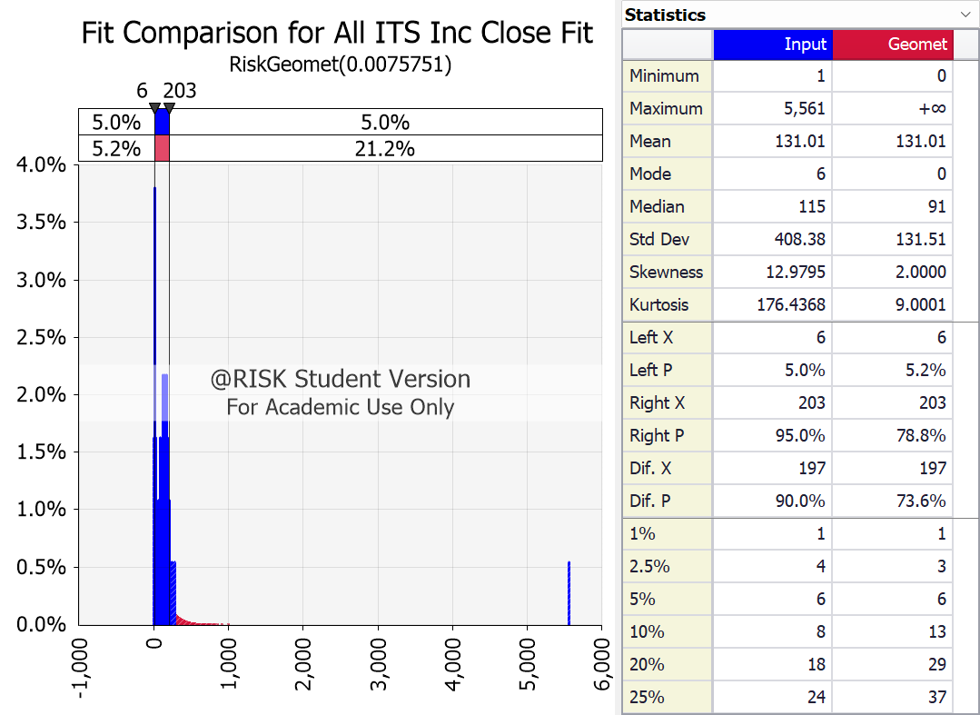

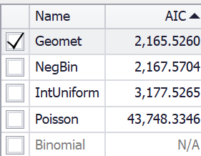
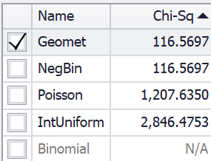

Del X | Del Y | X0 | Y0 | X1 | Y1 | X2 | Y2
6 | 0.04 | 1 | 0.016304347826 | 0 | 0.0075751337999 | 0 | 0.0075751337999
203 | 0.04 | 3 | 0.0054347826087 | 1 | 0.0075177511478 | 1 | 0.0075177511478
-497 | 0.04 | 4 | 0.010869565217 | 2 | 0.007460803177 | 2 | 0.007460803177
3101.5 | 0.04 | 5 | 0.010869565217 | 3 | 0.0074042865947 | 3 | 0.0074042865947
104.5 | 0.04 | 6 | 0.038043478261 | 4 | 0.007348198133 | 4 | 0.007348198133
 |  | 7 | 0.010869565217 | 5 | 0.007292534549 | 5 | 0.007292534549
 |  | 8 | 0.010869565217 | 6 | 0.007237292624 | 6 | 0.007237292624
 |  | 9 | 0.016304347826 | 7 | 0.0071824691641 | 7 | 0.0071824691641
 |  | 10 | 0.021739130435 | 8 | 0.0071280609991 | 8 | 0.0071280609991
 |  | 13 | 0.010869565217 | 9 | 0.0070740649833 | 9 | 0.0070740649833
 |  | 14 | 0.010869565217 | 10 | 0.0070204779946 | 10 | 0.0070204779946
 |  | 15 | 0.016304347826 | 11 | 0.0069672969344 | 11 | 0.0069672969344
 |  | 16 | 0.010869565217 | 12 | 0.0069145187279 | 12 | 0.0069145187279
 |  | 17 | 0.0054347826087 | 13 | 0.0068621403234 | 13 | 0.0068621403234
 |  | 18 | 0.016304347826 | 14 | 0.0068101586923 | 14 | 0.0068101586923
 |  | 19 | 0.010869565217 | 15 | 0.006758570829 | 15 | 0.006758570829
 |  | 20 | 0.0054347826087 | 16 | 0.0067073737507 | 16 | 0.0067073737507
 |  | 21 | 0.0054347826087 | 17 | 0.0066565644971 | 17 | 0.0066565644971
 |  | 22 | 0.0054347826087 | 18 | 0.0066061401304 | 18 | 0.0066061401304
 |  | 23 | 0.0054347826087 | 19 | 0.006556097735 | 19 | 0.006556097735
 |  | 24 | 0.010869565217 | 20 | 0.0065064344174 | 20 | 0.0065064344174
 |  | 29 | 0.0054347826087 | 21 | 0.0064571473062 | 21 | 0.0064571473062
 |  | 32 | 0.0054347826087 | 22 | 0.0064082335513 | 22 | 0.0064082335513
 |  | 34 | 0.0054347826087 | 23 | 0.0063596903248 | 23 | 0.0063596903248
 |  | 35 | 0.0054347826087 | 24 | 0.0063115148196 | 24 | 0.0063115148196
 |  | 36 | 0.0054347826087 | 25 | 0.0062637042504 | 25 | 0.0062637042504
 |  | 38 | 0.0054347826087 | 26 | 0.0062162558526 | 26 | 0.0062162558526
 |  | 40 | 0.0054347826087 | 27 | 0.0061691668828 | 27 | 0.0061691668828
 |  | 43 | 0.0054347826087 | 28 | 0.0061224346182 | 28 | 0.0061224346182
 |  | 44 | 0.0054347826087 | 29 | 0.0060760563568 | 29 | 0.0060760563568
 |  | 48 | 0.0054347826087 | 30 | 0.0060300294169 | 30 | 0.0060300294169
 |  | 49 | 0.0054347826087 | 31 | 0.0059843511373 | 31 | 0.0059843511373
 |  | 50 | 0.0054347826087 | 32 | 0.0059390188767 | 32 | 0.0059390188767
 |  | 59 | 0.0054347826087 | 33 | 0.0058940300141 | 33 | 0.0058940300141
 |  | 60 | 0.010869565217 | 34 | 0.0058493819481 | 34 | 0.0058493819481
 |  | 61 | 0.0054347826087 | 35 | 0.0058050720972 | 35 | 0.0058050720972
 |  | 62 | 0.0054347826087 | 36 | 0.0057610978993 | 36 | 0.0057610978993
 |  | 63 | 0.0054347826087 | 37 | 0.0057174568119 | 37 | 0.0057174568119
 |  | 64 | 0.0054347826087 | 38 | 0.0056741463116 | 38 | 0.0056741463116
 |  | 65 | 0.0054347826087 | 39 | 0.0056311638941 | 39 | 0.0056311638941
 |  | 70 | 0.0054347826087 | 40 | 0.0055885070741 | 40 | 0.0055885070741
 |  | 71 | 0.010869565217 | 41 | 0.0055461733853 | 41 | 0.0055461733853
 |  | 72 | 0.0054347826087 | 42 | 0.0055041603798 | 42 | 0.0055041603798
 |  | 73 | 0.0054347826087 | 43 | 0.0054624656285 | 43 | 0.0054624656285
 |  | 75 | 0.010869565217 | 44 | 0.0054210867205 | 44 | 0.0054210867205
 |  | 77 | 0.0054347826087 | 45 | 0.0053800212632 | 45 | 0.0053800212632
 |  | 79 | 0.0054347826087 | 46 | 0.0053392668823 | 46 | 0.0053392668823
 |  | 80 | 0.016304347826 | 47 | 0.0052988212213 | 47 | 0.0052988212213
 |  | 88 | 0.0054347826087 | 48 | 0.0052586819415 | 48 | 0.0052586819415
 |  | 90 | 0.010869565217 | 49 | 0.0052188467222 | 49 | 0.0052188467222
 |  | 92 | 0.0054347826087 | 50 | 0.00517931326 | 50 | 0.00517931326
 |  | 96 | 0.0054347826087 | 51 | 0.0051400792691 | 51 | 0.0051400792691
 |  | 97 | 0.0054347826087 | 52 | 0.0051011424809 | 52 | 0.0051011424809
 |  | 100 | 0.0054347826087 | 53 | 0.0050625006441 | 53 | 0.0050625006441
 |  | 101 | 0.0054347826087 | 54 | 0.0050241515243 | 54 | 0.0050241515243
 |  | 107 | 0.0054347826087 | 55 | 0.0049860929043 | 55 | 0.0049860929043
 |  | 109 | 0.0054347826087 | 56 | 0.0049483225834 | 56 | 0.0049483225834
 |  | 110 | 0.0054347826087 | 57 | 0.0049108383777 | 57 | 0.0049108383777
 |  | 112 | 0.0054347826087 | 58 | 0.00487363812 | 58 | 0.00487363812
 |  | 115 | 0.0054347826087 | 59 | 0.0048367196591 | 59 | 0.0048367196591
 |  | 117 | 0.021739130435 | 60 | 0.0048000808605 | 60 | 0.0048000808605
 |  | 121 | 0.016304347826 | 61 | 0.0047637196058 | 61 | 0.0047637196058
 |  | 123 | 0.0054347826087 | 62 | 0.0047276337924 | 62 | 0.0047276337924
 |  | 124 | 0.0054347826087 | 63 | 0.0046918213338 | 63 | 0.0046918213338
 |  | 125 | 0.010869565217 | 64 | 0.0046562801595 | 64 | 0.0046562801595
 |  | 126 | 0.0054347826087 | 65 | 0.0046210082143 | 65 | 0.0046210082143
 |  | 127 | 0.0054347826087 | 66 | 0.0045860034587 | 66 | 0.0045860034587
 |  | 129 | 0.0054347826087 | 67 | 0.0045512638689 | 67 | 0.0045512638689
 |  | 132 | 0.0054347826087 | 68 | 0.0045167874362 | 68 | 0.0045167874362
 |  | 135 | 0.0054347826087 | 69 | 0.004482572167 | 69 | 0.004482572167
 |  | 137 | 0.0054347826087 | 70 | 0.0044486160831 | 70 | 0.0044486160831
 |  | 138 | 0.010869565217 | 71 | 0.004414917221 | 71 | 0.004414917221
 |  | 140 | 0.0054347826087 | 72 | 0.0043814736323 | 72 | 0.0043814736323
 |  | 141 | 0.0054347826087 | 73 | 0.0043482833833 | 73 | 0.0043482833833
 |  | 142 | 0.0054347826087 | 74 | 0.0043153445549 | 74 | 0.0043153445549
 |  | 144 | 0.010869565217 | 75 | 0.0042826552425 | 75 | 0.0042826552425
 |  | 145 | 0.0054347826087 | 76 | 0.004250213556 | 76 | 0.004250213556
 |  | 147 | 0.0054347826087 | 77 | 0.0042180176197 | 77 | 0.0042180176197
 |  | 149 | 0.021739130435 | 78 | 0.0041860655718 | 78 | 0.0041860655718
 |  | 150 | 0.0054347826087 | 79 | 0.004154355565 | 79 | 0.004154355565
 |  | 151 | 0.010869565217 | 80 | 0.0041228857658 | 80 | 0.0041228857658
 |  | 152 | 0.0054347826087 | 81 | 0.0040916543545 | 81 | 0.0040916543545
 |  | 153 | 0.010869565217 | 82 | 0.0040606595253 | 82 | 0.0040606595253
 |  | 155 | 0.0054347826087 | 83 | 0.004029899486 | 83 | 0.004029899486
 |  | 156 | 0.0054347826087 | 84 | 0.0039993724582 | 84 | 0.0039993724582
 |  | 157 | 0.010869565217 | 85 | 0.0039690766767 | 85 | 0.0039690766767
 |  | 158 | 0.016304347826 | 86 | 0.0039390103899 | 86 | 0.0039390103899
 |  | 159 | 0.0054347826087 | 87 | 0.0039091718591 | 87 | 0.0039091718591
 |  | 161 | 0.0054347826087 | 88 | 0.0038795593592 | 88 | 0.0038795593592
 |  | 162 | 0.016304347826 | 89 | 0.003850171178 | 89 | 0.003850171178
 |  | 163 | 0.0054347826087 | 90 | 0.0038210056162 | 90 | 0.0038210056162
 |  | 164 | 0.016304347826 | 91 | 0.0037920609874 | 91 | 0.0037920609874
 |  | 165 | 0.0054347826087 | 92 | 0.003763335618 | 92 | 0.003763335618
 |  | 166 | 0.010869565217 | 93 | 0.0037348278472 | 93 | 0.0037348278472
 |  | 167 | 0.0054347826087 | 94 | 0.0037065360265 | 94 | 0.0037065360265
 |  | 168 | 0.0054347826087 | 95 | 0.0036784585202 | 95 | 0.0036784585202
 |  | 170 | 0.016304347826 | 96 | 0.0036505937047 | 96 | 0.0036505937047
 |  | 171 | 0.021739130435 | 97 | 0.003622939969 | 97 | 0.003622939969
 |  | 173 | 0.0054347826087 | 98 | 0.0035954957139 | 98 | 0.0035954957139
 |  | 174 | 0.010869565217 | 99 | 0.0035682593528 | 99 | 0.0035682593528
 |  | 175 | 0.016304347826 | 100 | 0.0035412293108 | 100 | 0.0035412293108
 |  | 178 | 0.010869565217 | 101 | 0.003514404025 | 101 | 0.003514404025
 |  | 183 | 0.0054347826087 | 102 | 0.0034877819442 | 102 | 0.0034877819442
 |  | 185 | 0.0054347826087 | 103 | 0.0034613615293 | 103 | 0.0034613615293
 |  | 186 | 0.0054347826087 | 104 | 0.0034351412526 | 104 | 0.0034351412526
 |  | 187 | 0.0054347826087 | 105 | 0.003409119598 | 105 | 0.003409119598
 |  | 194 | 0.010869565217 | 106 | 0.0033832950609 | 106 | 0.0033832950609
 |  | 196 | 0.0054347826087 | 107 | 0.0033576661482 | 107 | 0.0033576661482
 |  | 198 | 0.0054347826087 | 108 | 0.0033322313778 | 108 | 0.0033322313778
 |  | 201 | 0.0054347826087 | 109 | 0.0033069892793 | 109 | 0.0033069892793
 |  | 203 | 0.010869565217 | 110 | 0.003281938393 | 110 | 0.003281938393
 |  | 208 | 0.0054347826087 | 111 | 0.0032570772706 | 111 | 0.0032570772706
 |  | 209 | 0.0054347826087 | 112 | 0.0032324044745 | 112 | 0.0032324044745
 |  | 217 | 0.0054347826087 | 113 | 0.0032079185781 | 113 | 0.0032079185781
 |  | 219 | 0.0054347826087 | 114 | 0.0031836181656 | 114 | 0.0031836181656
 |  | 220 | 0.0054347826087 | 115 | 0.003159501832 | 115 | 0.003159501832
 |  | 223 | 0.0054347826087 | 116 | 0.0031355681829 | 116 | 0.0031355681829
 |  | 239 | 0.0054347826087 | 117 | 0.0031118158344 | 117 | 0.0031118158344
 |  | 274 | 0.0054347826087 | 118 | 0.0030882434131 | 118 | 0.0030882434131
 |  | 5561 | 0.0054347826087 | 119 | 0.003064849556 | 119 | 0.003064849556
 |  |  |  | 120 | 0.0030416329106 | 120 | 0.0030416329106
 |  |  |  | 121 | 0.0030185921343 | 121 | 0.0030185921343
 |  |  |  | 122 | 0.002995725895 | 122 | 0.002995725895
 |  |  |  | 123 | 0.0029730328705 | 123 | 0.0029730328705
 |  |  |  | 124 | 0.0029505117487 | 124 | 0.0029505117487
 |  |  |  | 125 | 0.0029281612275 | 125 | 0.0029281612275
 |  |  |  | 126 | 0.0029059800144 | 126 | 0.0029059800144
 |  |  |  | 127 | 0.0028839668269 | 127 | 0.0028839668269
 |  |  |  | 128 | 0.0028621203923 | 128 | 0.0028621203923
 |  |  |  | 129 | 0.0028404394474 | 129 | 0.0028404394474
 |  |  |  | 130 | 0.0028189227386 | 130 | 0.0028189227386
 |  |  |  | 131 | 0.0027975690216 | 131 | 0.0027975690216
 |  |  |  | 132 | 0.002776377062 | 132 | 0.002776377062
...

All ITS Req Arr Fit
Fit Comparison for All ITS Req Arr Fit RiskGeomet(0.0029760) RiskPoisson(335.02)
 | Poisson |  | Geomet |  | Input |  | xDelimiter |  | xPDelimiter1 |  | xPDelimiter2 |  | xPDelimiter3
-20 | 1E-200 | -20 | 1E-200 | 2 | 1E-200 | 6 | 0.04 | -247 | 0.04 | -247 | 0.04 | -247 | 0.04
-20 | 3.1929334168E-146 | -20 | 0.0029760444771 | 2 | 0.010989010989 | 1056 | 0.04 | 2278 | 0.04 | 2278 | 0.04 | 2278 | 0.04
0 | 3.1929334168E-146 | 0 | 0.0029760444771 | 2 | 1E-200 |  |  | 531 | 0.04 | 531 | 0.04 | 531 | 0.04
20 | 3.1929334168E-146 | 20 | 0.0029760444771 | 3 | 1E-200
20 | 1E-200 | 20 | 1E-200 | 3 | 0.0054945054945
256 | 1E-200 | -19 | 1E-200 | 3 | 1E-200
256 | 9.4874418281E-05 | -19 | 0.0029671876364 | 4 | 1E-200
276 | 9.4874418281E-05 | 1 | 0.0029671876364 | 4 | 0.0054945054945
296 | 9.4874418281E-05 | 21 | 0.0029671876364 | 4 | 1E-200
296 | 1E-200 | 21 | 1E-200 | 5 | 1E-200
260 | 1E-200 | -18 | 1E-200 | 5 | 0.016483516484
260 | 0.00019866759277 | -18 | 0.002958357154 | 5 | 1E-200
280 | 0.00019866759277 | 2 | 0.002958357154 | 6 | 1E-200
300 | 0.00019866759277 | 22 | 0.002958357154 | 6 | 0.016483516484
300 | 1E-200 | 22 | 1E-200 | 6 | 1E-200
262 | 1E-200 | -17 | 1E-200 | 7 | 1E-200
262 | 0.00028138695046 | -17 | 0.0029495529516 | 7 | 0.021978021978
282 | 0.00028138695046 | 3 | 0.0029495529516 | 7 | 1E-200
302 | 0.00028138695046 | 23 | 0.0029495529516 | 8 | 1E-200
302 | 1E-200 | 23 | 1E-200 | 8 | 0.038461538462
264 | 1E-200 | -16 | 1E-200 | 8 | 1E-200
264 | 0.00039294478447 | -16 | 0.0029407749508 | 9 | 1E-200
284 | 0.00039294478447 | 4 | 0.0029407749508 | 9 | 0.021978021978
304 | 0.00039294478447 | 24 | 0.0029407749508 | 9 | 1E-200
304 | 1E-200 | 24 | 1E-200 | 10 | 1E-200
265 | 1E-200 | -15 | 1E-200 | 10 | 0.010989010989
265 | 0.00046190519266 | -15 | 0.0029320230737 | 10 | 1E-200
285 | 0.00046190519266 | 5 | 0.0029320230737 | 11 | 1E-200
305 | 0.00046190519266 | 25 | 0.0029320230737 | 11 | 0.021978021978
305 | 1E-200 | 25 | 1E-200 | 11 | 1E-200
266 | 1E-200 | -14 | 1E-200 | 12 | 1E-200
266 | 0.00054106941735 | -14 | 0.0029232972427 | 12 | 0.010989010989
286 | 0.00054106941735 | 6 | 0.0029232972427 | 12 | 1E-200
306 | 0.00054106941735 | 26 | 0.0029232972427 | 14 | 1E-200
306 | 1E-200 | 26 | 1E-200 | 14 | 0.0054945054945
267 | 1E-200 | -13 | 1E-200 | 14 | 1E-200
267 | 0.00063159293916 | -13 | 0.0029145973801 | 15 | 1E-200
287 | 0.00063159293916 | 7 | 0.0029145973801 | 15 | 0.0054945054945
307 | 0.00063159293916 | 27 | 0.0029145973801 | 15 | 1E-200
307 | 1E-200 | 27 | 1E-200 | 16 | 1E-200
268 | 1E-200 | -12 | 1E-200 | 16 | 0.0054945054945
268 | 0.00073470154685 | -12 | 0.0029059234086 | 16 | 1E-200
288 | 0.00073470154685 | 8 | 0.0029059234086 | 17 | 1E-200
308 | 0.00073470154685 | 28 | 0.0029059234086 | 17 | 0.0054945054945
308 | 1E-200 | 28 | 1E-200 | 17 | 1E-200
269 | 1E-200 | -11 | 1E-200 | 18 | 1E-200
269 | 0.00085168556629 | -11 | 0.0028972752513 | 18 | 0.0054945054945
289 | 0.00085168556629 | 9 | 0.0028972752513 | 18 | 1E-200
309 | 0.00085168556629 | 29 | 0.0028972752513 | 19 | 1E-200
309 | 1E-200 | 29 | 1E-200 | 19 | 0.0054945054945
...
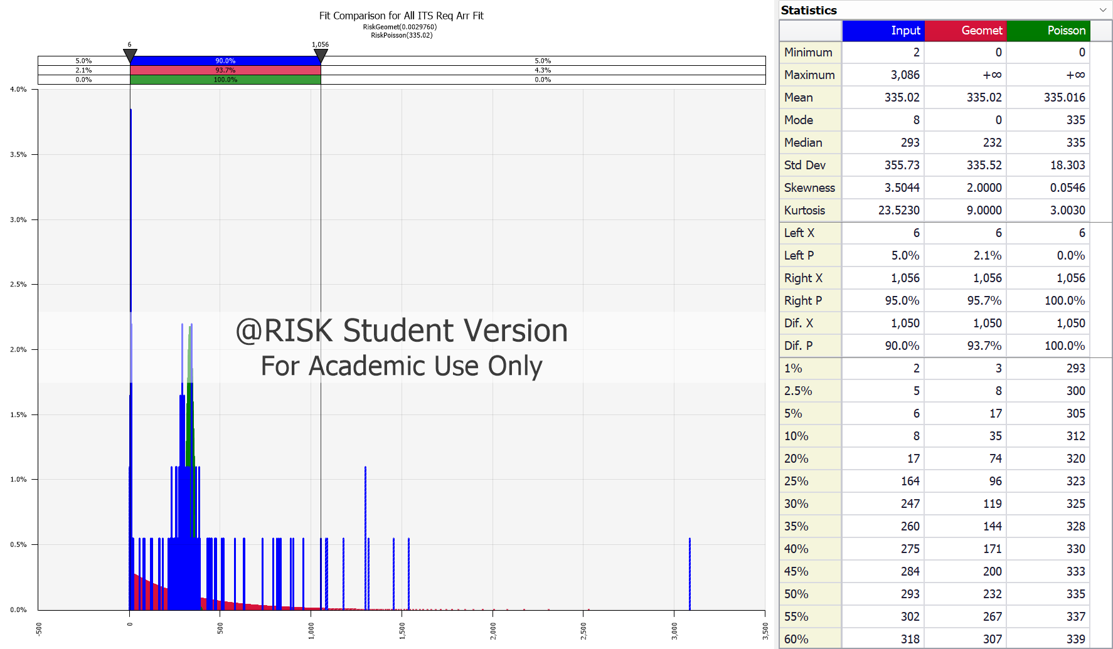

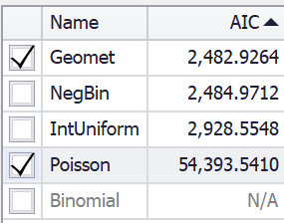
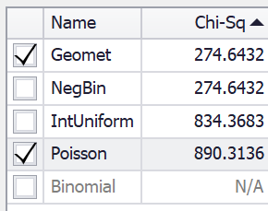

Del X | Del Y | X0 | Y0 | X1 | Y1 | X2 | Y2
6 | 0.04 | 2 | 0.010989010989 | 0 | 0.0029760444771 | 0 | 3.1929334168E-146
1056 | 0.04 | 3 | 0.0054945054945 | 1 | 0.0029671876364 | 276 | 9.4874418281E-05
-247 | 0.04 | 4 | 0.0054945054945 | 2 | 0.002958357154 | 280 | 0.00019866759277
2278 | 0.04 | 5 | 0.016483516484 | 3 | 0.0029495529516 | 282 | 0.00028138695046
531 | 0.04 | 6 | 0.016483516484 | 4 | 0.0029407749508 | 284 | 0.00039294478447
 |  | 7 | 0.021978021978 | 5 | 0.0029320230737 | 285 | 0.00046190519266
 |  | 8 | 0.038461538462 | 6 | 0.0029232972427 | 286 | 0.00054106941735
 |  | 9 | 0.021978021978 | 7 | 0.0029145973801 | 287 | 0.00063159293916
 |  | 10 | 0.010989010989 | 8 | 0.0029059234086 | 288 | 0.00073470154685
 |  | 11 | 0.021978021978 | 9 | 0.0028972752513 | 289 | 0.00085168556629
 |  | 12 | 0.010989010989 | 10 | 0.0028886528313 | 290 | 0.00098389208097
 |  | 14 | 0.0054945054945 | 11 | 0.002880056072 | 291 | 0.0011327150004
 |  | 15 | 0.0054945054945 | 12 | 0.002871484897 | 292 | 0.0012995828639
 |  | 16 | 0.0054945054945 | 13 | 0.0028629392303 | 293 | 0.0014859443042
 |  | 17 | 0.0054945054945 | 14 | 0.0028544189958 | 294 | 0.0016932511411
 |  | 18 | 0.0054945054945 | 15 | 0.0028459241179 | 295 | 0.0019229391288
 |  | 19 | 0.0054945054945 | 16 | 0.0028374545211 | 296 | 0.0021764064356
 |  | 20 | 0.0054945054945 | 17 | 0.0028290101303 | 297 | 0.0024549900026
 |  | 56 | 0.0054945054945 | 18 | 0.0028205908703 | 298 | 0.0027599399924
 |  | 77 | 0.0054945054945 | 19 | 0.0028121966664 | 299 | 0.0030923926119
 |  | 85 | 0.0054945054945 | 20 | 0.0028038274441 | 300 | 0.0034533416617
 |  | 118 | 0.0054945054945 | 21 | 0.0027954831289 | 301 | 0.0038436092355
 |  | 125 | 0.0054945054945 | 22 | 0.0027871636468 | 302 | 0.0042638160599
 |  | 164 | 0.0054945054945 | 23 | 0.0027788689238 | 303 | 0.0047143520222
 |  | 168 | 0.0054945054945 | 24 | 0.0027705988863 | 304 | 0.0051953474886
 |  | 184 | 0.0054945054945 | 25 | 0.0027623534608 | 305 | 0.0057066460534
 |  | 216 | 0.0054945054945 | 26 | 0.002754132574 | 306 | 0.0062477793905
 |  | 225 | 0.0054945054945 | 27 | 0.002745936153 | 307 | 0.0068179448899
 |  | 226 | 0.0054945054945 | 28 | 0.0027377641248 | 308 | 0.0074159867591
 |  | 232 | 0.010989010989 | 29 | 0.002729616417 | 309 | 0.0080403812487
 |  | 240 | 0.0054945054945 | 30 | 0.0027214929572 | 310 | 0.0086892266196
...

All ITS Req Close Fit
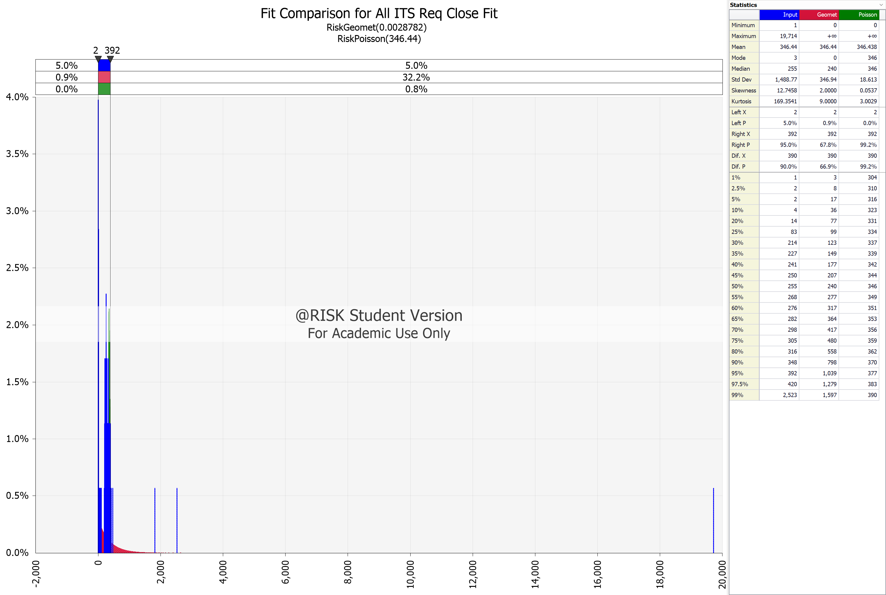

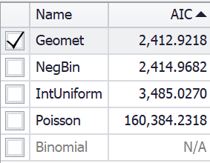
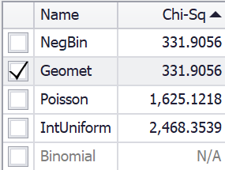

O365 Inc Arr Fit
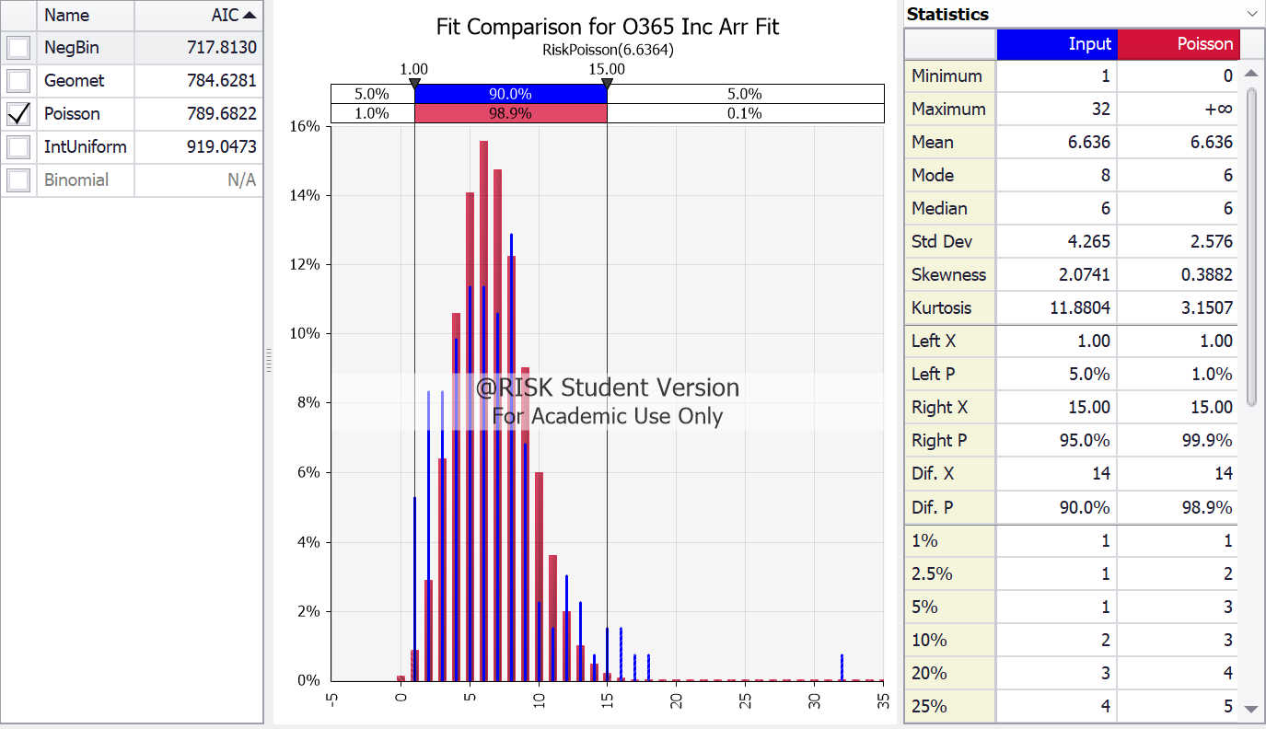
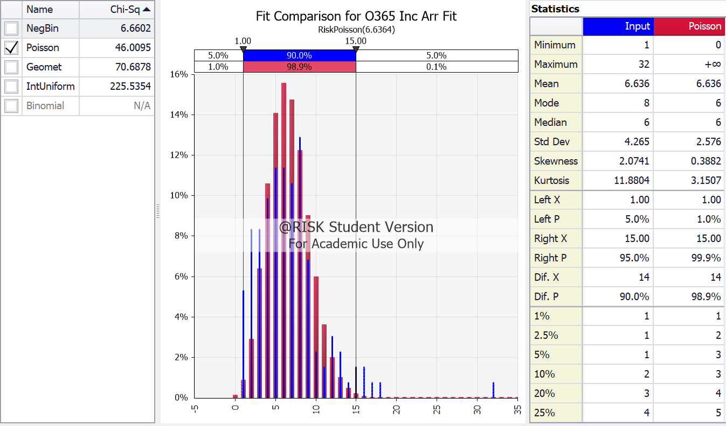
Fit Comparison for O365 Inc Arr Fit RiskNegBin(5,0.42969)
 | NegBin | Input | xDelimiter | xPDelimiter1 | xPDelimiter2
 | 1 | 1 | 1 | 1 | 1

O365 Inc Arr Fit Results
@RISK - Fit Results Performed By: Eric Enos Date: Friday, July 28, 2023 6:05:00 PM

Name | NegBin | Geomet | Poisson | IntUniform
Graph
Function | RiskNegBin(5,0.42969) | RiskGeomet(0.13095) | RiskPoisson(6.6364) | RiskIntUniform(1,32)
Method | MLE | MLE | MLE | MLE
Ranking by Fit Statistic (4 Valid Fits)
Akaike (AIC) | #1 | #2 | #3 | #4
Bayesian (BIC) | #1 | #2 | #3 | #4
Average Log-Likelihood | #1 | #2 | #3 | #4
Chi-Sq Statistic | #1 | #3 | #2 | #4
...

O365 Inc Close Fit
Fit Comparison for O365 Inc Close Fit RiskNegBin(5,0.43154)
 | NegBin |  | Input |  | xDelimiter |  | xPDelimiter1 |  | xPDelimiter2
-0.225 | 1E-200 | 1 | 1E-200 | 1 | 0.14 | -2 | 0.14 | -2 | 0.14
-0.225 | 0.014965631003 | 1 | 0.052631578947 | 13 | 0.14 | 26.5 | 0.14 | 26.5 | 0.14
0 | 0.014965631003 | 1 | 1E-200 |  |  | 7 | 0.14 | 7 | 0.14
0.225 | 0.014965631003 | 2 | 1E-200
0.225 | 1E-200 | 2 | 0.052631578947
0.775 | 1E-200 | 2 | 1E-200
0.775 | 0.042536965472 | 3 | 1E-200
1 | 0.042536965472 | 3 | 0.11278195489
1.225 | 0.042536965472 | 3 | 1E-200
1.225 | 1E-200 | 4 | 1E-200
1.775 | 1E-200 | 4 | 0.13533834586
1.775 | 0.072541950202 | 4 | 1E-200
2 | 0.072541950202 | 5 | 1E-200
2.225 | 0.072541950202 | 5 | 0.10526315789
2.225 | 1E-200 | 5 | 1E-200
2.775 | 1E-200 | 6 | 1E-200
2.775 | 0.096220471261 | 6 | 0.10526315789
3 | 0.096220471261 | 6 | 1E-200
3.225 | 0.096220471261 | 7 | 1E-200
3.225 | 1E-200 | 7 | 0.11278195489
3.775 | 1E-200 | 7 | 1E-200
3.775 | 0.10939537031 | 8 | 1E-200
4 | 0.10939537031 | 8 | 0.097744360902
4.225 | 0.10939537031 | 8 | 1E-200
4.225 | 1E-200 | 9 | 1E-200
4.775 | 1E-200 | 9 | 0.075187969925
4.775 | 0.11193680721 | 9 | 1E-200
5 | 0.11193680721 | 10 | 1E-200
5.225 | 0.11193680721 | 10 | 0.015037593985
5.225 | 1E-200 | 10 | 1E-200
5.775 | 1E-200 | 11 | 1E-200
5.775 | 0.10605304252 | 11 | 0.022556390977
6 | 0.10605304252 | 11 | 1E-200
6.225 | 0.10605304252 | 12 | 1E-200
6.225 | 1E-200 | 12 | 0.037593984962
6.775 | 1E-200 | 12 | 1E-200
6.775 | 0.094736916447 | 13 | 1E-200
7 | 0.094736916447 | 13 | 0.03007518797
7.225 | 0.094736916447 | 13 | 1E-200
7.225 | 1E-200 | 14 | 1E-200
7.775 | 1E-200 | 14 | 0.0075187969925
7.775 | 0.080781510844 | 14 | 1E-200
8 | 0.080781510844 | 15 | 1E-200
8.225 | 0.080781510844 | 15 | 0.0075187969925
8.225 | 1E-200 | 15 | 1E-200
8.775 | 1E-200 | 16 | 1E-200
8.775 | 0.066330654373 | 16 | 0.0075187969925
9 | 0.066330654373 | 16 | 1E-200
9.225 | 0.066330654373 | 18 | 1E-200
9.225 | 1E-200 | 18 | 0.0075187969925
...
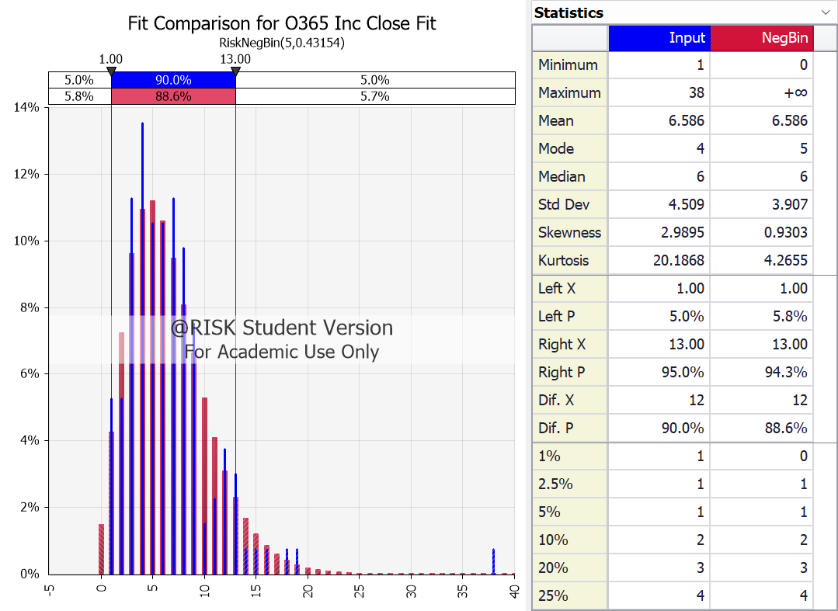

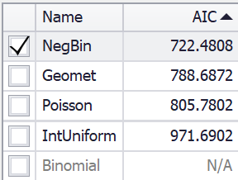
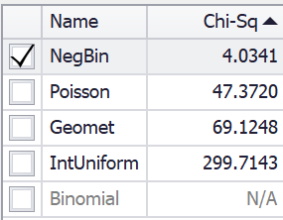

Del X | Del Y | X0 | Y0 | X1 | Y1
1 | 0.14 | 1 | 0.052631578947 | 0 | 0.014965631003
13 | 0.14 | 2 | 0.052631578947 | 1 | 0.042536965472
-2 | 0.14 | 3 | 0.11278195489 | 2 | 0.072541950202
26.5 | 0.14 | 4 | 0.13533834586 | 3 | 0.096220471261
7 | 0.14 | 5 | 0.10526315789 | 4 | 0.10939537031
 |  | 6 | 0.10526315789 | 5 | 0.11193680721
 |  | 7 | 0.11278195489 | 6 | 0.10605304252
 |  | 8 | 0.097744360902 | 7 | 0.094736916447
 |  | 9 | 0.075187969925 | 8 | 0.080781510844
 |  | 10 | 0.015037593985 | 9 | 0.066330654373
 |  | 11 | 0.022556390977 | 10 | 0.05278904252
 |  | 12 | 0.037593984962 | 11 | 0.04092077274
 |  | 13 | 0.03007518797 | 12 | 0.031015874471
 |  | 14 | 0.0075187969925 | 13 | 0.023056377109
 |  | 15 | 0.0075187969925 | 14 | 0.01685143943
 |  | 16 | 0.0075187969925 | 15 | 0.012133911221
 |  | 18 | 0.0075187969925 | 16 | 0.0086220848713
 |  | 19 | 0.0075187969925 | 17 | 0.0060545815663
 |  | 38 | 0.0075187969925 | 18 | 0.0042066441685
...

O365 Inc Close Fit Results
@RISK - Fit Results Performed By: Eric Enos Date: Friday, July 28, 2023 6:06:02 PM

Name | NegBin | Geomet | Poisson | IntUniform
Graph
Function | RiskNegBin(5,0.43154) | RiskGeomet(0.13181) | RiskPoisson(6.5865) | RiskIntUniform(1,38)
Method | MLE | MLE | MLE | MLE
Ranking by Fit Statistic (4 Valid Fits)
Akaike (AIC) | #1 | #2 | #3 | #4
Bayesian (BIC) | #1 | #2 | #3 | #4
Average Log-Likelihood | #1 | #2 | #3 | #4
Chi-Sq Statistic | #1 | #3 | #2 | #4
...

O365 Req Arr Fit
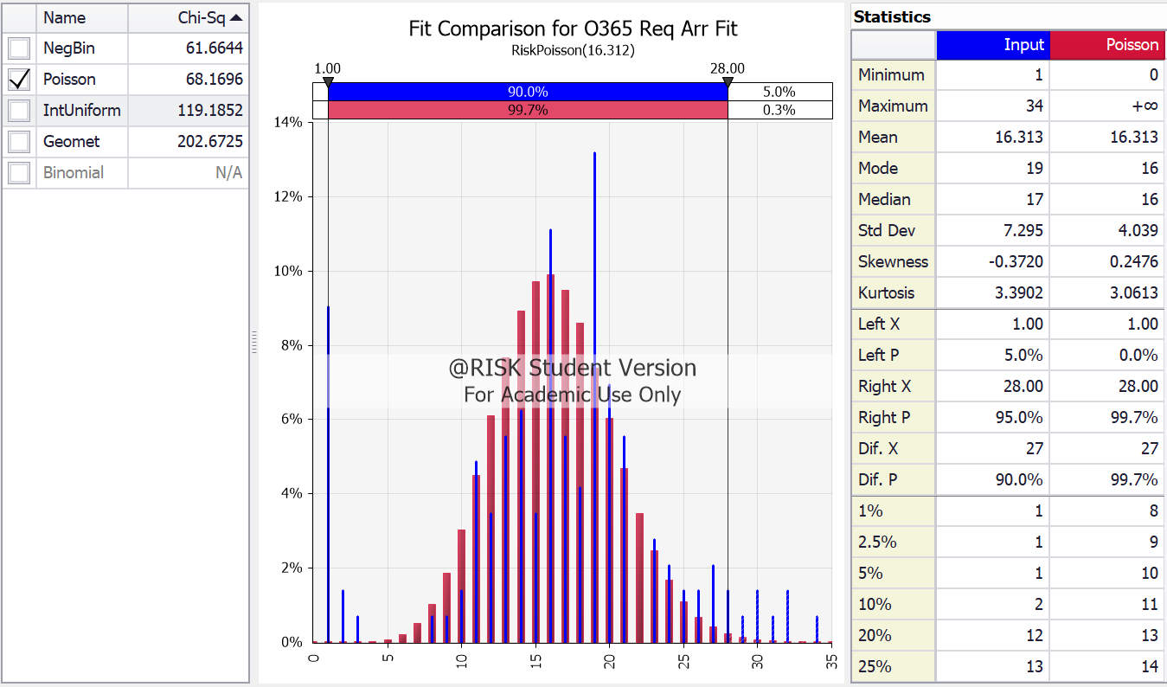
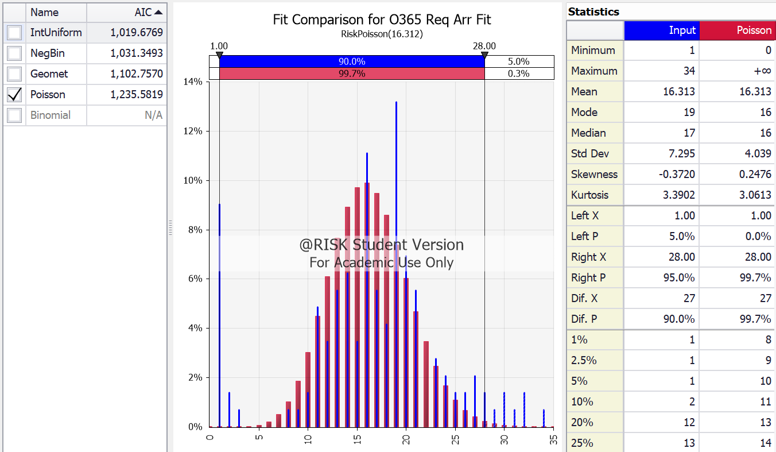
Fit Comparison for O365 Req Arr Fit RiskPoisson(16.312)
 | Poisson | Input | xDelimiter | xPDelimiter1 | xPDelimiter2
 | 1 | 1 | 1 | 1 | 1

O365 Req Arr Fit Results
@RISK - Fit Results Performed By: Eric Enos Date: Friday, July 28, 2023 6:06:54 PM

Name | IntUniform | NegBin | Geomet | Poisson
Graph
Function | RiskIntUniform(1,34) | RiskNegBin(4,0.19692) | RiskGeomet(0.057762) | RiskPoisson(16.312)
Method | MLE | MLE | MLE | MLE
Ranking by Fit Statistic (4 Valid Fits)
Akaike (AIC) | #1 | #2 | #3 | #4
Bayesian (BIC) | #1 | #2 | #3 | #4
Average Log-Likelihood | #1 | #2 | #3 | #4
Chi-Sq Statistic | #3 | #1 | #4 | #2
...

O365 Req Close Fit
Fit Comparison for O365 Req Close Fit RiskNegBin(6,0.25215)
 | NegBin |  | Input |  | xDelimiter |  | xPDelimiter1 |  | xPDelimiter2
-0.25 | 1E-200 | 1 | 1E-200 | 6 | 0.1 | 0.5 | 0.1 | 0.5 | 0.1
-0.25 | 0.00025700612354 | 1 | 0.0075757575758 | 32 | 0.1 | 38.5 | 0.1 | 38.5 | 0.1
0 | 0.00025700612354 | 1 | 1E-200 |  |  | 19 | 0.1 | 19 | 0.1
0.25 | 0.00025700612354 | 2 | 1E-200
0.25 | 1E-200 | 2 | 0.0075757575758
0.75 | 1E-200 | 2 | 1E-200
0.75 | 0.0011532137234 | 4 | 1E-200
1 | 0.0011532137234 | 4 | 0.015151515152
1.25 | 0.0011532137234 | 4 | 1E-200
1.25 | 1E-200 | 5 | 1E-200
1.75 | 1E-200 | 5 | 0.0075757575758
1.75 | 0.0030185121385 | 5 | 1E-200
2 | 0.0030185121385 | 6 | 1E-200
2.25 | 0.0030185121385 | 6 | 0.037878787879
2.25 | 1E-200 | 6 | 1E-200
2.75 | 1E-200 | 7 | 1E-200
2.75 | 0.0060197262131 | 7 | 0.022727272727
3 | 0.0060197262131 | 7 | 1E-200
3.25 | 0.0060197262131 | 8 | 1E-200
3.25 | 1E-200 | 8 | 0.030303030303
3.75 | 1E-200 | 8 | 1E-200
3.75 | 0.010129181142 | 9 | 1E-200
4 | 0.010129181142 | 9 | 0.05303030303
4.25 | 0.010129181142 | 9 | 1E-200
4.25 | 1E-200 | 10 | 1E-200
4.75 | 1E-200 | 10 | 0.0075757575758
4.75 | 0.015150236551 | 10 | 1E-200
5 | 0.015150236551 | 11 | 1E-200
5.25 | 0.015150236551 | 11 | 0.022727272727
5.25 | 1E-200 | 11 | 1E-200
5.75 | 1E-200 | 12 | 1E-200
5.75 | 0.02077188593 | 12 | 0.037878787879
6 | 0.02077188593 | 12 | 1E-200
6.25 | 0.02077188593 | 13 | 1E-200
6.25 | 1E-200 | 13 | 0.045454545455
6.75 | 1E-200 | 13 | 1E-200
6.75 | 0.026630186956 | 14 | 1E-200
7 | 0.026630186956 | 14 | 0.030303030303
7.25 | 0.026630186956 | 14 | 1E-200
7.25 | 1E-200 | 15 | 1E-200
7.75 | 1E-200 | 15 | 0.030303030303
7.75 | 0.032362544535 | 15 | 1E-200
8 | 0.032362544535 | 16 | 1E-200
8.25 | 0.032362544535 | 16 | 0.098484848485
8.25 | 1E-200 | 16 | 1E-200
8.75 | 1E-200 | 17 | 1E-200
8.75 | 0.037648117711 | 17 | 0.060606060606
9 | 0.037648117711 | 17 | 1E-200
9.25 | 0.037648117711 | 18 | 1E-200
9.25 | 1E-200 | 18 | 0.05303030303
...
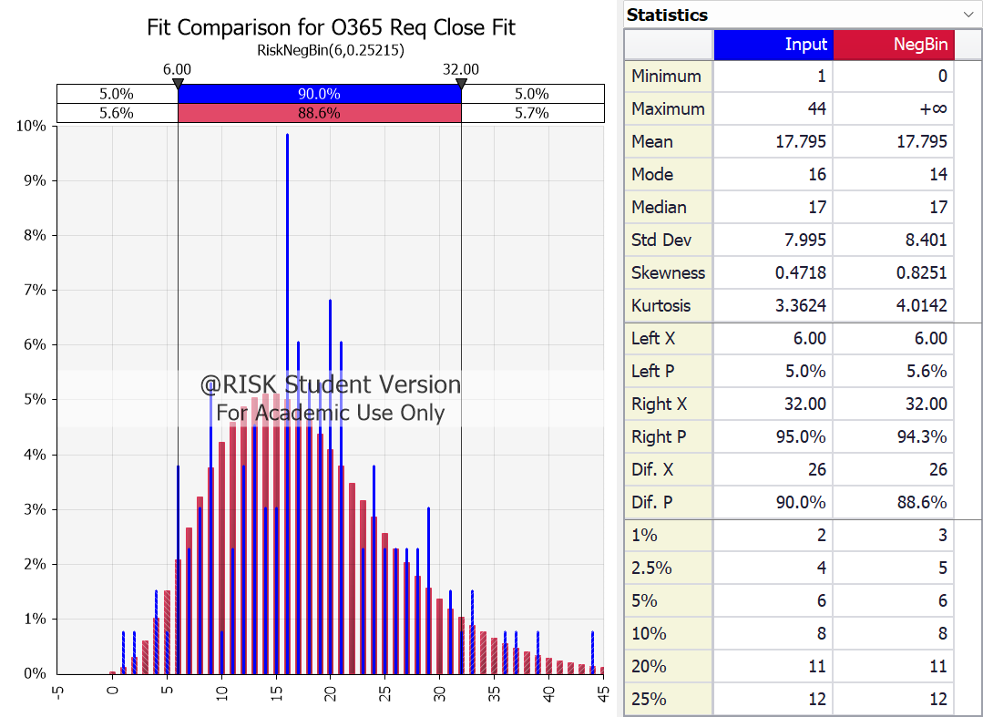

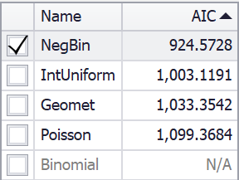
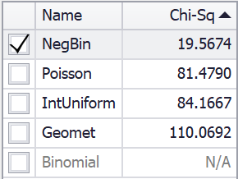

Del X | Del Y | X0 | Y0 | X1 | Y1
6 | 0.1 | 1 | 0.0075757575758 | 0 | 0.00025700612354
32 | 0.1 | 2 | 0.0075757575758 | 1 | 0.0011532137234
0.5 | 0.1 | 4 | 0.015151515152 | 2 | 0.0030185121385
38.5 | 0.1 | 5 | 0.0075757575758 | 3 | 0.0060197262131
19 | 0.1 | 6 | 0.037878787879 | 4 | 0.010129181142
 |  | 7 | 0.022727272727 | 5 | 0.015150236551
 |  | 8 | 0.030303030303 | 6 | 0.02077188593
 |  | 9 | 0.05303030303 | 7 | 0.026630186956
 |  | 10 | 0.0075757575758 | 8 | 0.032362544535
 |  | 11 | 0.022727272727 | 9 | 0.037648117711
 |  | 12 | 0.037878787879 | 10 | 0.042232773879
 |  | 13 | 0.045454545455 | 11 | 0.045940105162
 |  | 14 | 0.030303030303 | 12 | 0.0486715011
 |  | 15 | 0.030303030303 | 13 | 0.050398658181
 |  | 16 | 0.098484848485 | 14 | 0.051151646729
 |  | 17 | 0.060606060606 | 15 | 0.051005080406
 |  | 18 | 0.05303030303 | 16 | 0.0500642632
 |  | 19 | 0.05303030303 | 17 | 0.048452553395
 |  | 20 | 0.068181818182 | 18 | 0.046300649161
...

O365 Req Close Fit Results
@RISK - Fit Results Performed By: Eric Enos Date: Friday, July 28, 2023 6:07:39 PM

Name | NegBin | IntUniform | Geomet | Poisson
Graph
Function | RiskNegBin(6,0.25215) | RiskIntUniform(1,44) | RiskGeomet(0.053204) | RiskPoisson(17.795)
Method | MLE | MLE | MLE | MLE
Ranking by Fit Statistic (4 Valid Fits)
Akaike (AIC) | #1 | #2 | #3 | #4
Bayesian (BIC) | #1 | #2 | #3 | #4
Average Log-Likelihood | #1 | #2 | #3 | #4
Chi-Sq Statistic | #1 | #3 | #4 | #2
...

IDM Inc Arr Fit
Fit Comparison for IDM Inc Arr Fit RiskNegBin(3,0.26490)
 | NegBin |  | Input |  | xDelimiter |  | xPDelimiter1 |  | xPDelimiter2
-0.175 | 1E-200 | 1 | 1E-200 | 1 | 0.14 | -2 | 0.14 | -2 | 0.14
-0.175 | 0.018589488988 | 1 | 0.095541401274 | 16 | 0.14 | 23 | 0.14 | 23 | 0.14
0 | 0.018589488988 | 1 | 1E-200 |  |  | 8.5 | 0.14 | 8.5 | 0.14
0.175 | 0.018589488988 | 2 | 1E-200
0.175 | 1E-200 | 2 | 0.057324840764
0.825 | 1E-200 | 2 | 1E-200
0.825 | 0.040995155412 | 3 | 1E-200
1 | 0.040995155412 | 3 | 0.057324840764
1.175 | 0.040995155412 | 3 | 1E-200
1.175 | 1E-200 | 4 | 1E-200
1.825 | 1E-200 | 4 | 0.031847133758
1.825 | 0.060270717798 | 4 | 1E-200
2 | 0.060270717798 | 5 | 1E-200
2.175 | 0.060270717798 | 5 | 0.070063694268
2.175 | 1E-200 | 5 | 1E-200
2.825 | 1E-200 | 6 | 1E-200
2.825 | 0.073841233748 | 6 | 0.070063694268
3 | 0.073841233748 | 6 | 1E-200
3.175 | 0.073841233748 | 7 | 1E-200
3.175 | 1E-200 | 7 | 0.063694267516
3.825 | 1E-200 | 7 | 1E-200
3.825 | 0.081420550486 | 8 | 1E-200
4 | 0.081420550486 | 8 | 0.070063694268
4.175 | 0.081420550486 | 8 | 1E-200
4.175 | 1E-200 | 9 | 1E-200
4.825 | 1E-200 | 9 | 0.12101910828
4.825 | 0.083792645264 | 9 | 1E-200
5 | 0.083792645264 | 10 | 1E-200
5.175 | 0.083792645264 | 10 | 0.057324840764
5.175 | 1E-200 | 10 | 1E-200
5.825 | 1E-200 | 11 | 1E-200
5.825 | 0.082127474585 | 11 | 0.031847133758
6 | 0.082127474585 | 11 | 1E-200
6.175 | 0.082127474585 | 12 | 1E-200
6.175 | 1E-200 | 12 | 0.057324840764
6.825 | 1E-200 | 12 | 1E-200
6.825 | 0.077620559501 | 13 | 1E-200
7 | 0.077620559501 | 13 | 0.070063694268
7.175 | 0.077620559501 | 13 | 1E-200
7.175 | 1E-200 | 14 | 1E-200
7.825 | 1E-200 | 14 | 0.044585987261
7.825 | 0.071323165964 | 14 | 1E-200
8 | 0.071323165964 | 15 | 1E-200
8.175 | 0.071323165964 | 15 | 0.031847133758
8.175 | 1E-200 | 15 | 1E-200
8.825 | 1E-200 | 16 | 1E-200
8.825 | 0.064080312278 | 16 | 0.031847133758
9 | 0.064080312278 | 16 | 1E-200
9.175 | 0.064080312278 | 17 | 1E-200
9.175 | 1E-200 | 17 | 0.0063694267516
...
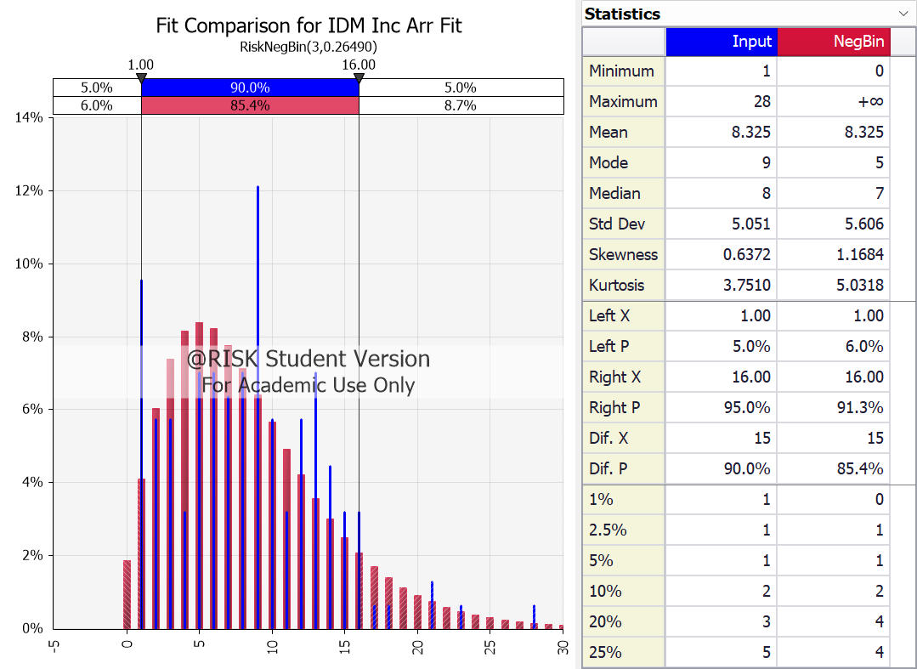

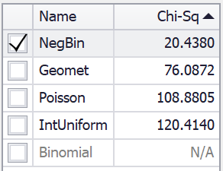
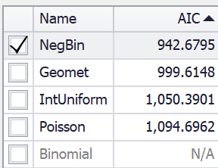

Del X | Del Y | X0 | Y0 | X1 | Y1
1 | 0.14 | 1 | 0.095541401274 | 0 | 0.018589488988
16 | 0.14 | 2 | 0.057324840764 | 1 | 0.040995155412
-2 | 0.14 | 3 | 0.057324840764 | 2 | 0.060270717798
23 | 0.14 | 4 | 0.031847133758 | 3 | 0.073841233748
8.5 | 0.14 | 5 | 0.070063694268 | 4 | 0.081420550486
 |  | 6 | 0.070063694268 | 5 | 0.083792645264
 |  | 7 | 0.063694267516 | 6 | 0.082127474585
 |  | 8 | 0.070063694268 | 7 | 0.077620559501
 |  | 9 | 0.12101910828 | 8 | 0.071323165964
 |  | 10 | 0.057324840764 | 9 | 0.064080312278
 |  | 11 | 0.031847133758 | 10 | 0.056526187726
 |  | 12 | 0.057324840764 | 11 | 0.049107089459
 |  | 13 | 0.070063694268 | 12 | 0.042114807036
 |  | 14 | 0.044585987261 | 13 | 0.035721242189
 |  | 15 | 0.031847133758 | 14 | 0.030009746772
 |  | 16 | 0.031847133758 | 15 | 0.025001370961
 |  | 17 | 0.0063694267516 | 16 | 0.020675697878
 |  | 18 | 0.0063694267516 | 17 | 0.016986687137
 |  | 21 | 0.012738853503 | 18 | 0.013874265772
...

IDM Inc Arr Fit Results
@RISK - Fit Results Performed By: Eric Enos Date: Friday, July 28, 2023 6:08:40 PM

Name | NegBin | Geomet | IntUniform | Poisson
Graph
Function | RiskNegBin(3,0.26490) | RiskGeomet(0.10724) | RiskIntUniform(1,28) | RiskPoisson(8.3248)
Method | MLE | MLE | MLE | MLE
Ranking by Fit Statistic (4 Valid Fits)
Akaike (AIC) | #1 | #2 | #3 | #4
Bayesian (BIC) | #1 | #2 | #3 | #4
Average Log-Likelihood | #1 | #2 | #3 | #4
Chi-Sq Statistic | #1 | #2 | #4 | #3
...

IDM Inc Close Fit
Fit Comparison for IDM Inc Close Fit RiskNegBin(3,0.24842)
 | NegBin |  | Input |  | xDelimiter |  | xPDelimiter1 |  | xPDelimiter2
-0.35 | 1E-200 | 1 | 1E-200 | 1 | 0.09 | -4.5 | 0.09 | -4.5 | 0.09
-0.35 | 0.015330364977 | 1 | 0.076388888889 | 18 | 0.09 | 39 | 0.09 | 39 | 0.09
0 | 0.015330364977 | 1 | 1E-200 |  |  | 9.5 | 0.09 | 9.5 | 0.09
0.35 | 0.015330364977 | 2 | 1E-200
0.35 | 1E-200 | 2 | 0.0625
0.65 | 1E-200 | 2 | 1E-200
0.65 | 0.034566050073 | 3 | 1E-200
1 | 0.034566050073 | 3 | 0.048611111111
1.35 | 0.034566050073 | 3 | 1E-200
1.35 | 1E-200 | 4 | 1E-200
1.65 | 1E-200 | 4 | 0.041666666667
1.65 | 0.051958398442 | 4 | 1E-200
2 | 0.051958398442 | 5 | 1E-200
2.35 | 0.051958398442 | 5 | 0.0625
2.35 | 1E-200 | 5 | 1E-200
2.65 | 1E-200 | 6 | 1E-200
2.65 | 0.065084940352 | 6 | 0.083333333333
3 | 0.065084940352 | 6 | 1E-200
3.35 | 0.065084940352 | 7 | 1E-200
3.35 | 1E-200 | 7 | 0.076388888889
3.65 | 1E-200 | 7 | 1E-200
3.65 | 0.073374942818 | 8 | 1E-200
4 | 0.073374942818 | 8 | 0.069444444444
4.35 | 0.073374942818 | 8 | 1E-200
4.35 | 1E-200 | 9 | 1E-200
4.65 | 1E-200 | 9 | 0.055555555556
4.65 | 0.077206135922 | 9 | 1E-200
5 | 0.077206135922 | 10 | 1E-200
5.35 | 0.077206135922 | 10 | 0.069444444444
5.35 | 1E-200 | 10 | 1E-200
5.65 | 1E-200 | 11 | 1E-200
5.65 | 0.077368924401 | 11 | 0.041666666667
6 | 0.077368924401 | 11 | 1E-200
6.35 | 0.077368924401 | 12 | 1E-200
6.35 | 1E-200 | 12 | 0.076388888889
6.65 | 1E-200 | 12 | 1E-200
6.65 | 0.074763054114 | 13 | 1E-200
7 | 0.074763054114 | 13 | 0.055555555556
7.35 | 0.074763054114 | 13 | 1E-200
7.35 | 1E-200 | 14 | 1E-200
7.65 | 1E-200 | 14 | 0.069444444444
7.65 | 0.070238148165 | 14 | 1E-200
8 | 0.070238148165 | 15 | 1E-200
8.35 | 0.070238148165 | 15 | 0.020833333333
8.35 | 1E-200 | 15 | 1E-200
8.65 | 1E-200 | 16 | 1E-200
8.65 | 0.064520724309 | 16 | 0.013888888889
9 | 0.064520724309 | 16 | 1E-200
9.35 | 0.064520724309 | 17 | 1E-200
9.35 | 1E-200 | 17 | 0.020833333333
...
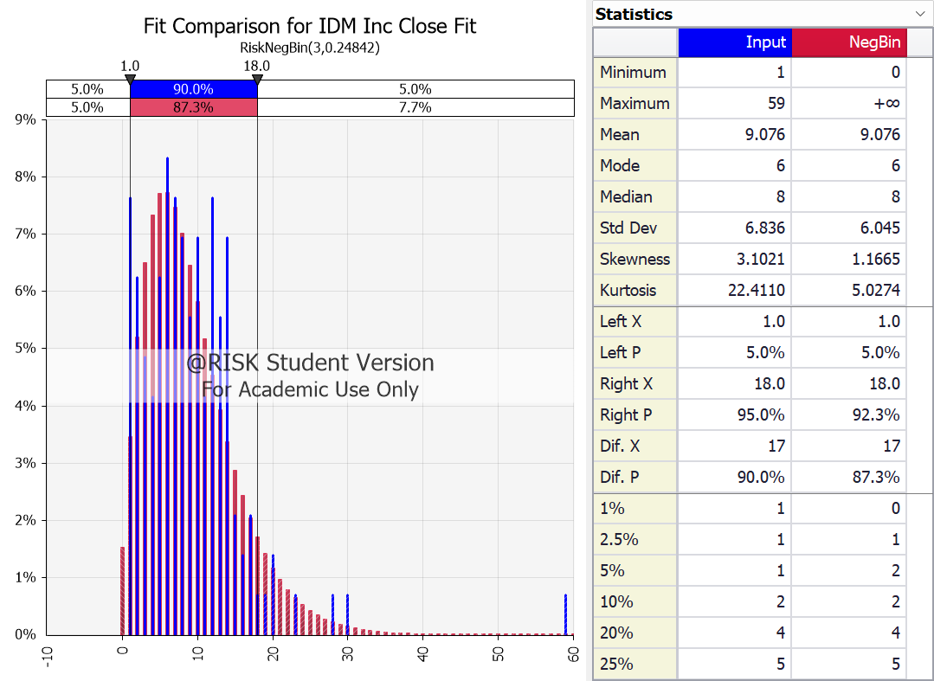

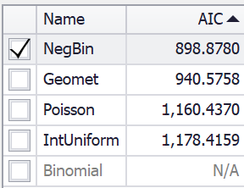
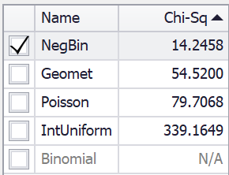

Del X | Del Y | X0 | Y0 | X1 | Y1
1 | 0.09 | 1 | 0.076388888889 | 0 | 0.015330364977
18 | 0.09 | 2 | 0.0625 | 1 | 0.034566050073
-4.5 | 0.09 | 3 | 0.048611111111 | 2 | 0.051958398442
39 | 0.09 | 4 | 0.041666666667 | 3 | 0.065084940352
9.5 | 0.09 | 5 | 0.0625 | 4 | 0.073374942818
 |  | 6 | 0.083333333333 | 5 | 0.077206135922
 |  | 7 | 0.076388888889 | 6 | 0.077368924401
 |  | 8 | 0.069444444444 | 7 | 0.074763054114
 |  | 9 | 0.055555555556 | 8 | 0.070238148165
 |  | 10 | 0.069444444444 | 9 | 0.064520724309
 |  | 11 | 0.041666666667 | 10 | 0.058191089135
 |  | 12 | 0.076388888889 | 11 | 0.051687218124
 |  | 13 | 0.055555555556 | 12 | 0.04532167516
 |  | 14 | 0.069444444444 | 13 | 0.039303376897
 |  | 15 | 0.020833333333 | 14 | 0.033759640913
 |  | 16 | 0.013888888889 | 15 | 0.028756199404
 |  | 17 | 0.020833333333 | 16 | 0.024314201667
 |  | 18 | 0.0069444444444 | 17 | 0.020423995196
 |  | 19 | 0.0069444444444 | 18 | 0.017055882513
...

IDM Inc Close Fit Results
@RISK - Fit Results Performed By: Eric Enos Date: Friday, July 28, 2023 6:09:12 PM

Name | NegBin | Geomet | Poisson | IntUniform
Graph
Function | RiskNegBin(3,0.24842) | RiskGeomet(0.099242) | RiskPoisson(9.0764) | RiskIntUniform(1,59)
Method | MLE | MLE | MLE | MLE
Ranking by Fit Statistic (4 Valid Fits)
Akaike (AIC) | #1 | #2 | #3 | #4
Bayesian (BIC) | #1 | #2 | #3 | #4
Average Log-Likelihood | #1 | #2 | #3 | #4
Chi-Sq Statistic | #1 | #2 | #3 | #4
...

IDM Req Arr Fit
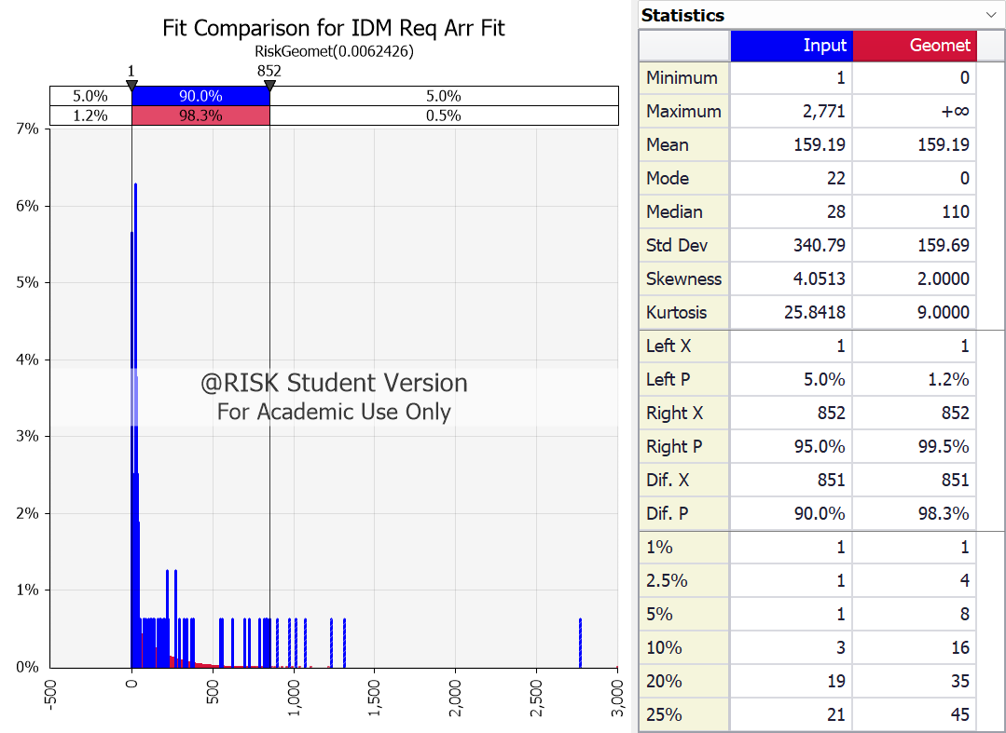

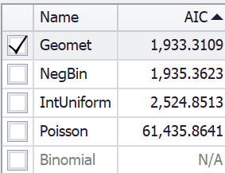
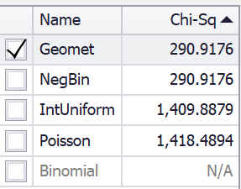

IDM Req Arr Fit Results
@RISK - Fit Results Performed By: Eric Enos Date: Friday, July 28, 2023 6:09:59 PM

Name | Geomet | NegBin | IntUniform | Poisson
Graph
Function | RiskGeomet(0.0062426) | RiskNegBin(1,0.0062426) | RiskIntUniform(1,2771) | RiskPoisson(159.19)
Method | MLE | MLE | MLE | MLE
Ranking by Fit Statistic (4 Valid Fits)
Akaike (AIC) | #1 | #2 | #3 | #4
Bayesian (BIC) | #1 | #2 | #3 | #4
Average Log-Likelihood | #1 (Tie) | #1 (Tie) | #3 | #4
Chi-Sq Statistic | #1 | #2 | #3 | #4
...

IDM Req Close Fit
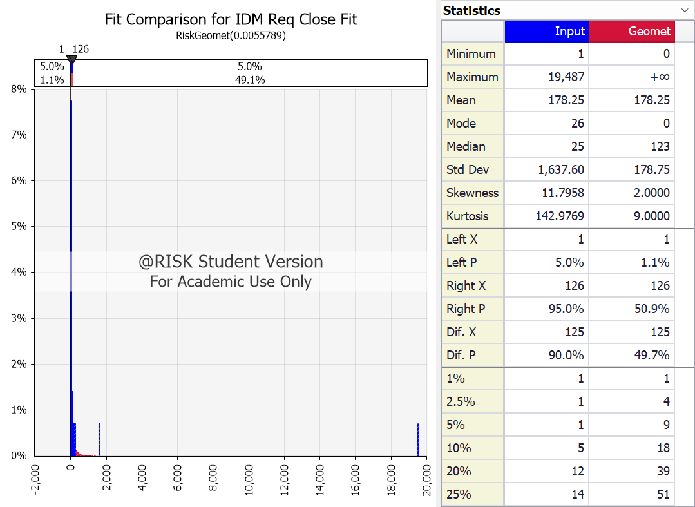

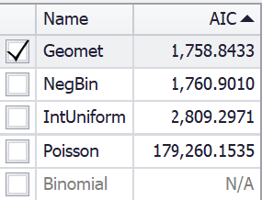
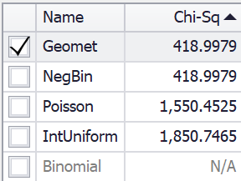

IDM Req Close Fit Results
@RISK - Fit Results Performed By: Eric Enos Date: Friday, July 28, 2023 6:10:35 PM

Name | Geomet | NegBin | IntUniform | Poisson
Graph
Function | RiskGeomet(0.0055789) | RiskNegBin(1,0.0055789) | RiskIntUniform(1,19487) | RiskPoisson(178.25)
Method | MLE | MLE | MLE | MLE
Ranking by Fit Statistic (4 Valid Fits)
Akaike (AIC) | #1 | #2 | #3 | #4
Bayesian (BIC) | #1 | #2 | #3 | #4
Average Log-Likelihood | #1 (Tie) | #1 (Tie) | #3 | #4
Chi-Sq Statistic | #1 | #2 | #4 | #3
...

